Notes for use
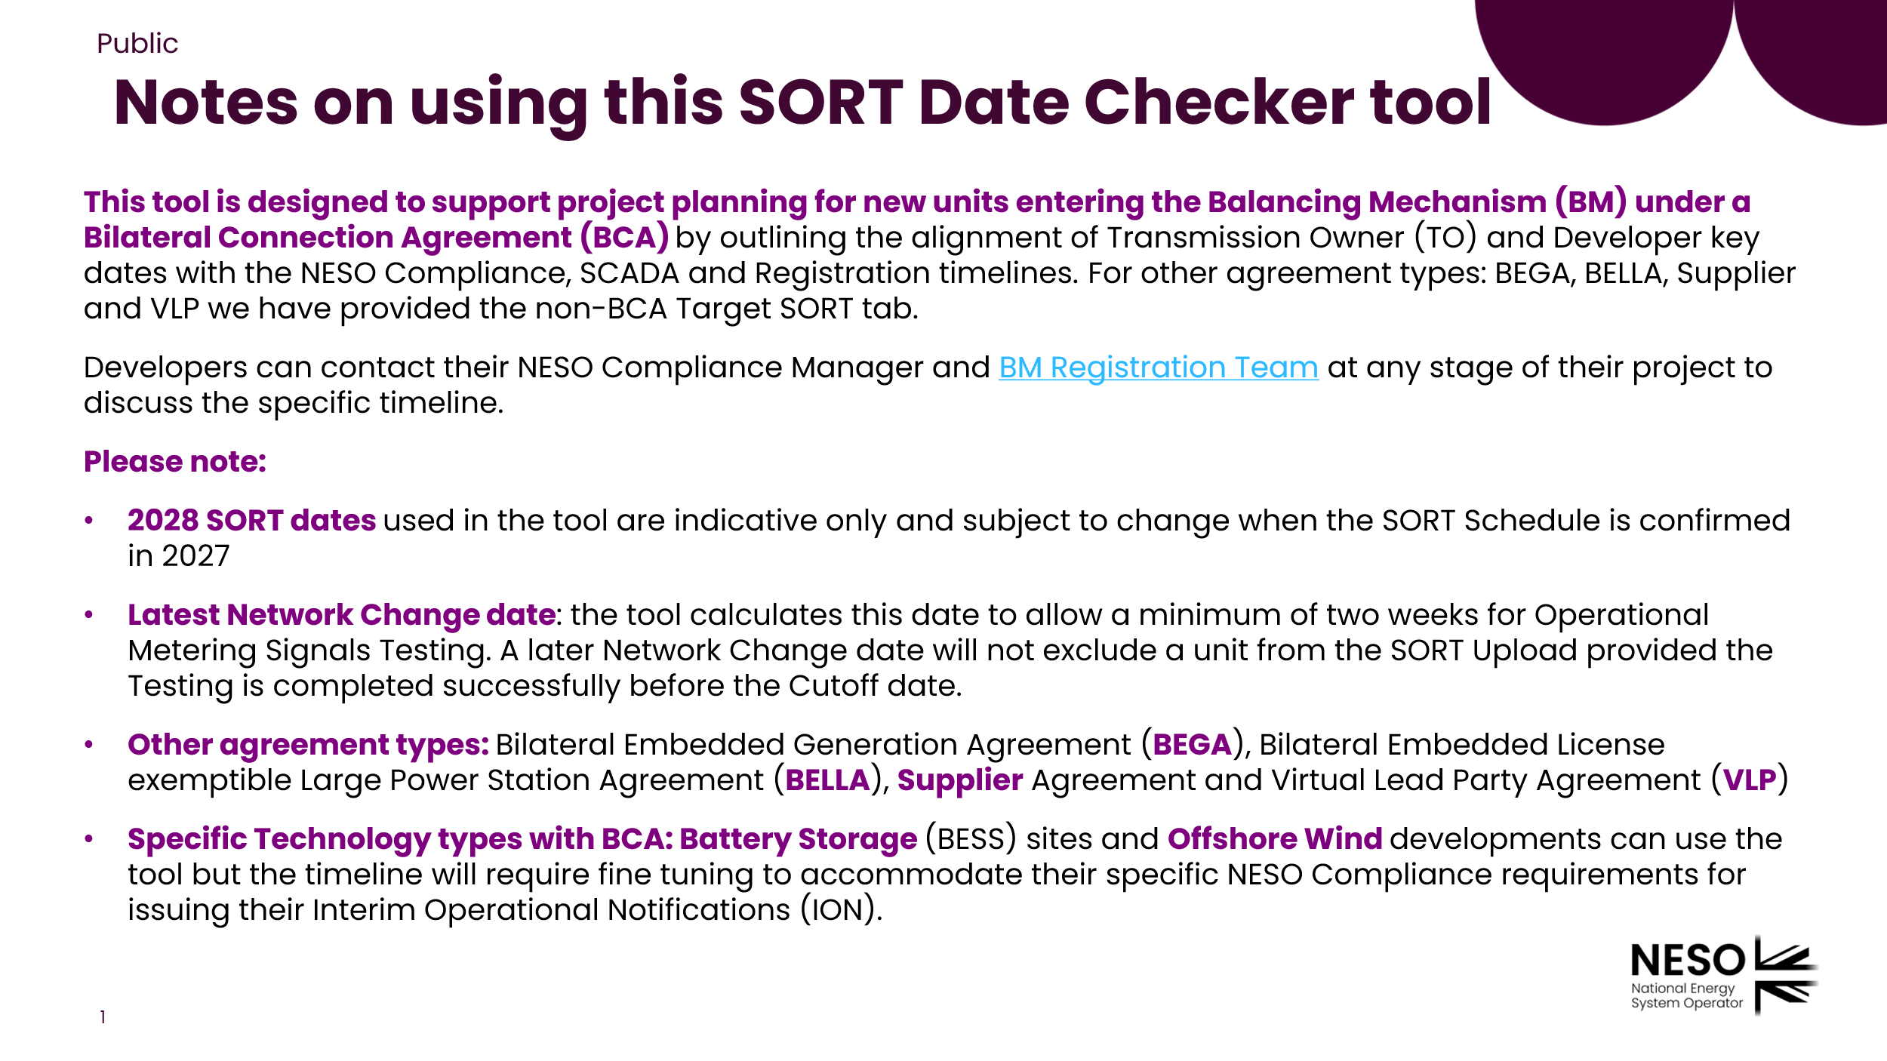
Balancing Mechanism SORT Checker Tool: Version 1 June 2026

Scroll down for more information

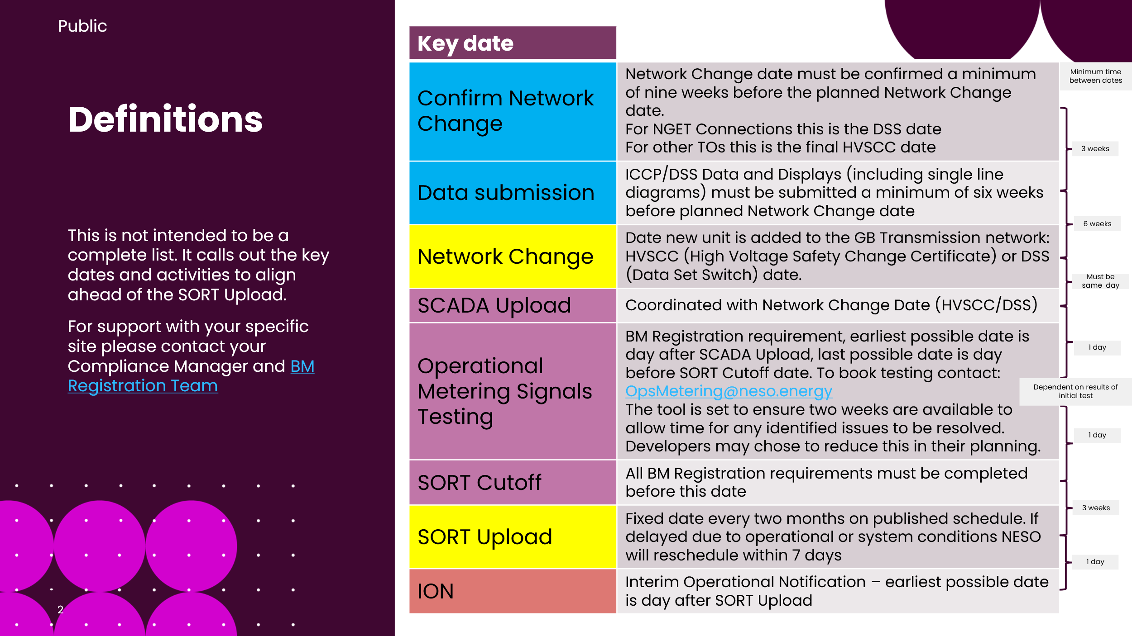
Balancing Mechanism SORT Checker Tool: Version 1 June 2026

Scroll down for more information

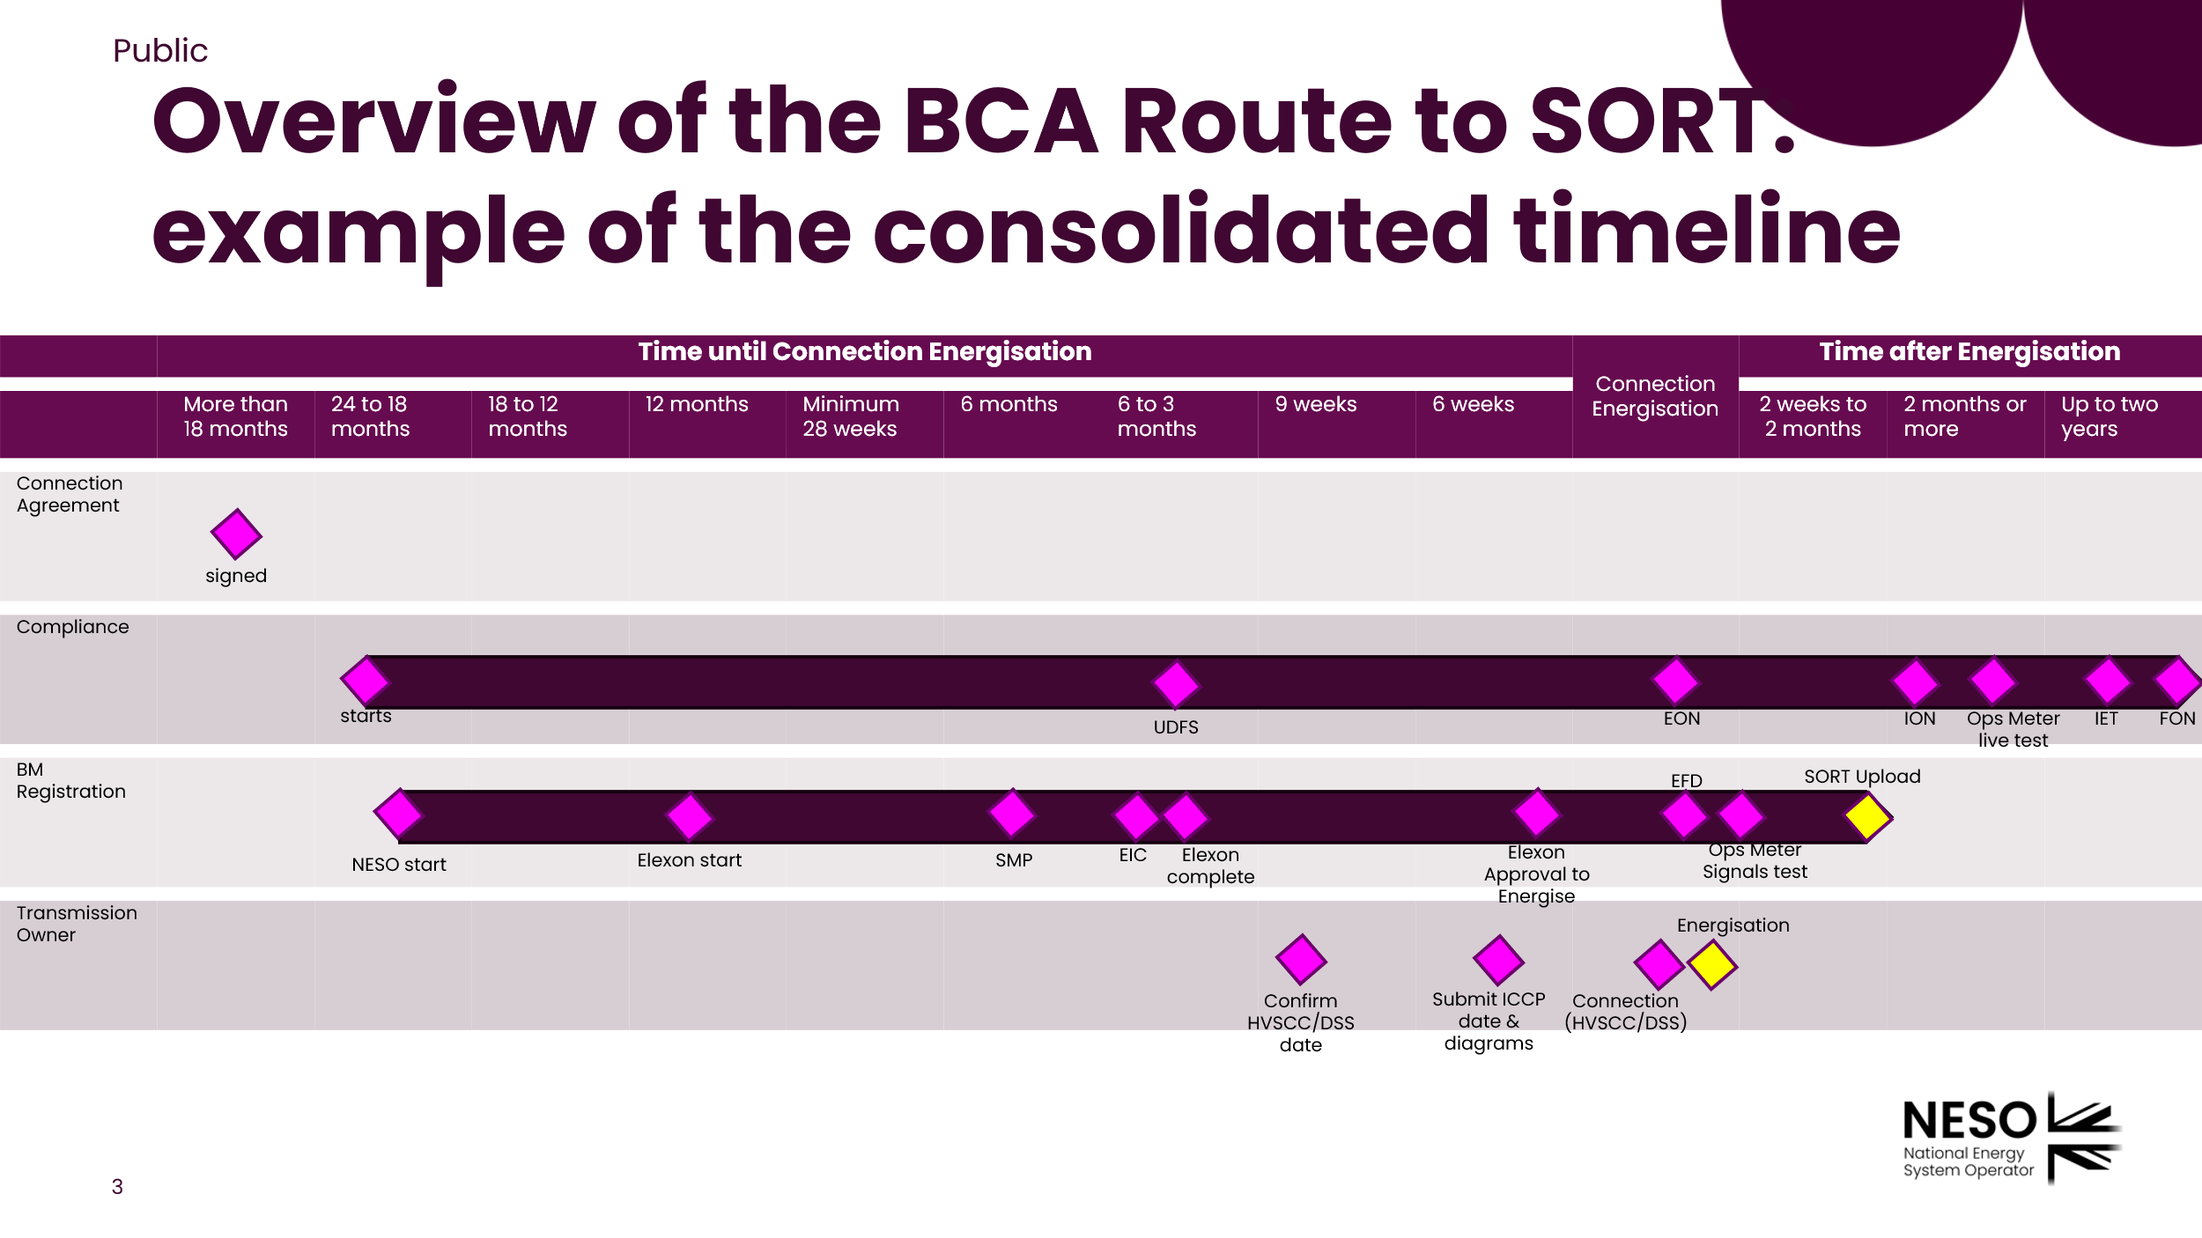
Balancing Mechanism SORT Checker Tool: Version 1 June 2026

Scroll down for more information

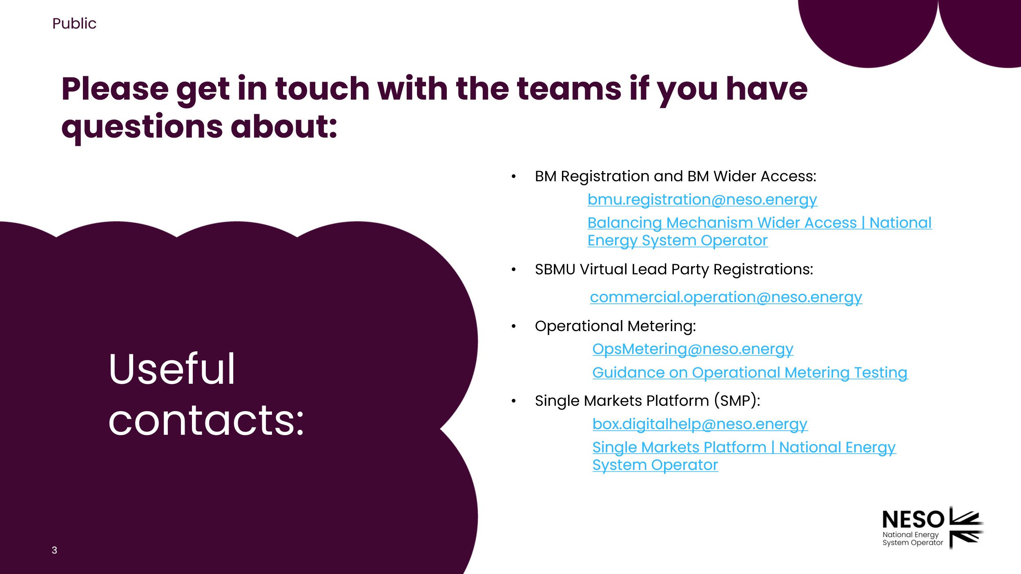
Balancing Mechanism SORT Checker Tool: Version 1 June 2026

Last slide

