Cover


June 2026
Beyond 2030 - Electricity Transmission Update
Comprehensive list of Onshore and Offshore network

Navigation
How to use this document
Key of Regions and Project Maturity Levels
Beyond 2030 - Electricity Transmission Update - Onshore
Baseline - Onshore
Baseline - Offshore

How to use this document
How to use this document
This workbook provides a list of all works identified as part of the Beyond 2030 - Electricity Transmission Update.
The appendix can be navigated by clicking on the workbook tabs below.
The System-Wide view provides a comprehensive list of the onshore and offshore works that have been considered in this network planning process, including our recommendations where approprate. This sheet also shows the optimal delivery dates for these works where appropriate, and can be filtered as required.
The Key of Regions shows the outline boundaries of the regions of Great Britian used in this document.
Comprehensive list of onshore and offshore options that formed part of our baseline in our assessment and have not been reassessed.
The recommendations outlined this workbook reflect our current and best view, based on information available today. As the development of these projects progresses towards delivery, more details will emerge and variations to the designs or delivery considerations may occur due to supply chain, network access, or other constraints. Further development will also be undertaken by relevant bodies and alternative options considered as appropriate. Therefore, these recommended delivery dates may be subject to change in future.
Our recommendations for wider works are as follows:
“Proceed - Critical”: This option is critical to our future planning. The option should be delivered on its earliest-in-service-date
“Proceed – Maintain”: This option is important and recommended and should be delievered up to three years after its earliest-in-service date.
“Hold”: This option is important and recommended for the future and should be delivered more than three eyars after it's earliest-in-service-date.
“Stop”: This option is not currently recommended within the optimal path of any scenario; delivery should be stopped and not be continued.
“Do not start”: This option is not currently recommended within the optimal path of any scenario; delivery work should not begin.
Further information on our recommendations can be found in "Annex 5 - Options Assessment" of our tCSNP2 Refresh methodology (https://www.neso.energy/document/357916/download).
More information on specific reinforcements can be found in the Beyond 2030 - Electricity Transmission Update publication and technical report

Key
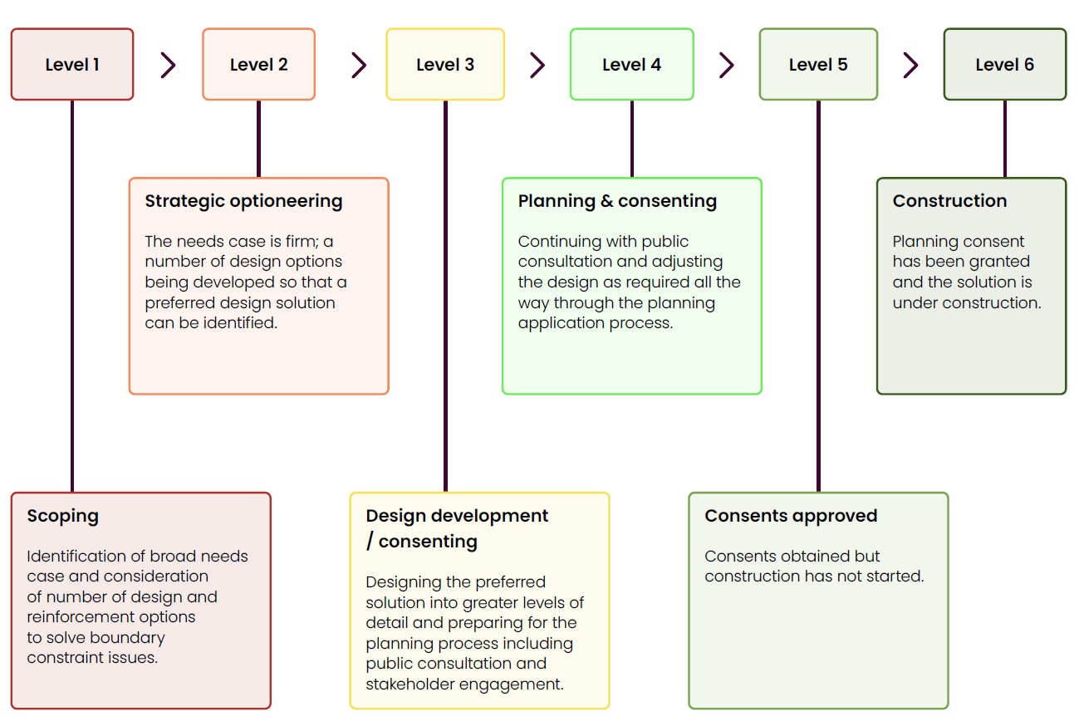
Regional maps

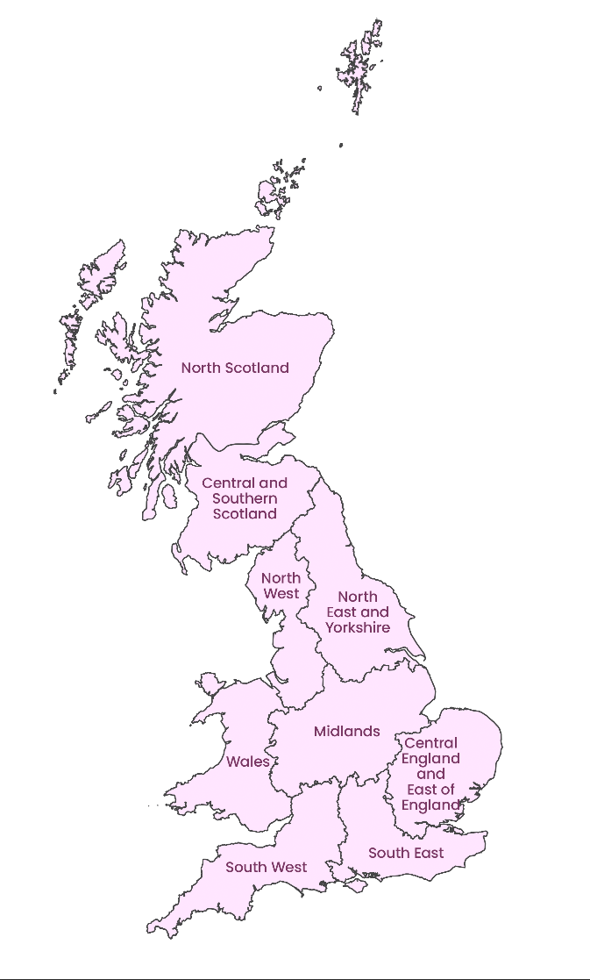
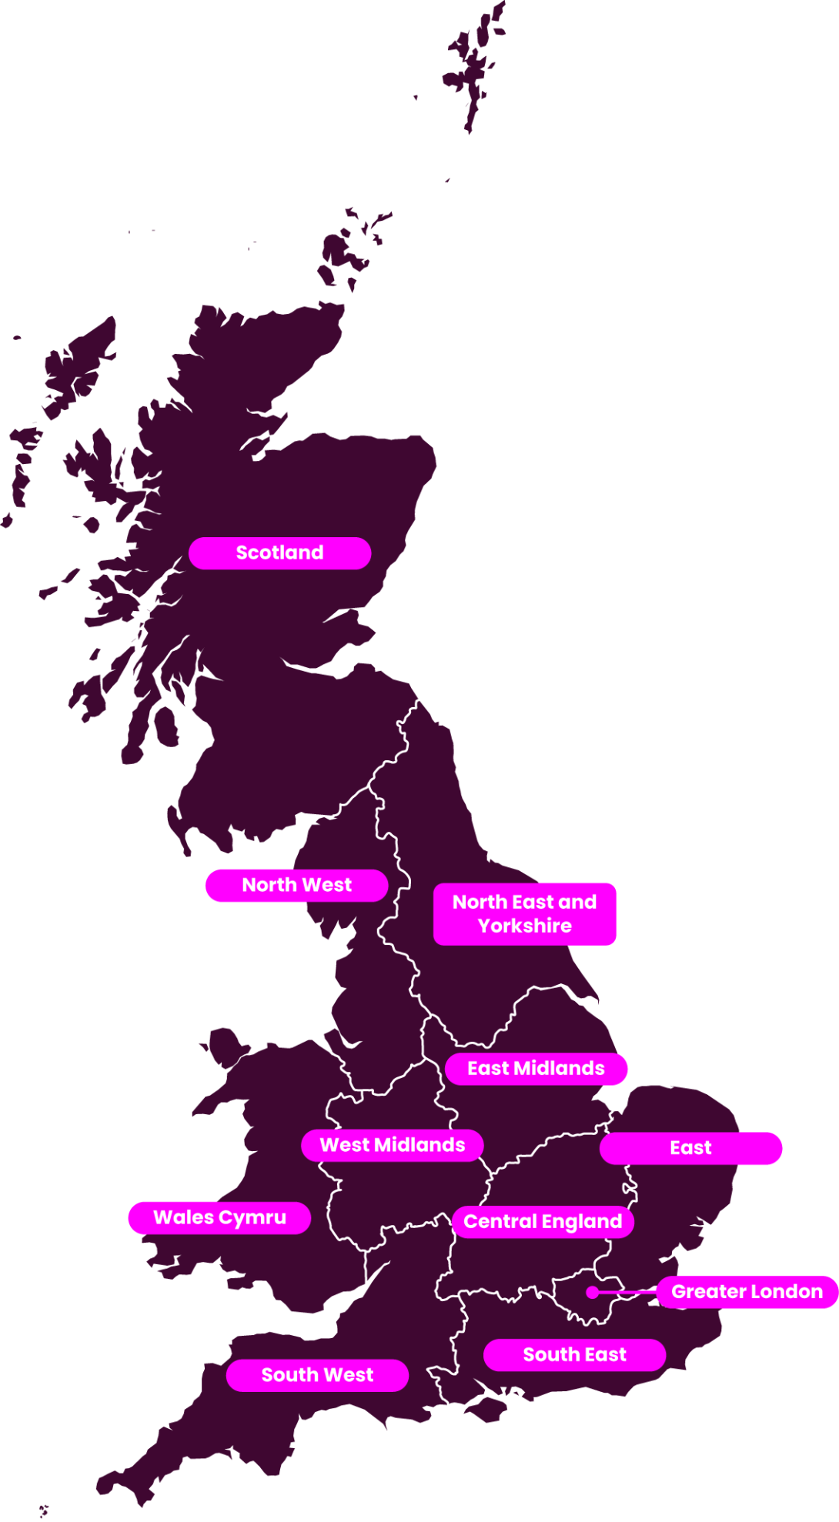

Project maturity levels

