Cover
Competitively Appointed Transmission Owner (CATO) Expression of Interest

About this document
The National Energy System Operator (NESO) is seeking to identify transmission projects that may be suitable for network competition under the early-model competitive tender process. To inform our project identification work, we are conducting a market sounding exercise through an Expression of Interest to understand: - Investor capability and appetite across different project types - Cost drivers and delivery assumptions that influence project attractiveness - Financial capacity and relevant experience of potential market participants | 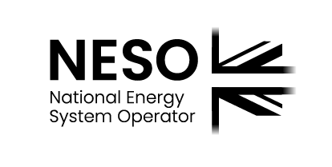
What this is not
This EoI is not: - A request for formal bids or pricing - A commitment to compete any specific project - Part of the Pre-qualification (PQ) or Invitation to Tender (ITT) stages of the tender process
Confidentiality and use
Responses will be treated as commercially confidential and used in aggregate to inform NESO's competition strategy. Individual cost assumptions will not be shared with Ofgem or other parties without your consent. Further information on the way in which responses to this EoI will be used is provided in Annex A.

Please submit your response by:
30th April 2026

Email your submission and questions to:
box.earlycompetition@neso.energy

Legal disclaimer
This document has been prepared by NESO for the purpose of market sounding and is provided voluntarily and without charge. While NESO has taken reasonable care in preparing this document, no representation or warranty, expressed or implied, is made as to its accuracy or completeness. Participants should make their own enquiries as to the suitability of the information for their purposes. NESO accepts no liability for any decisions made based on this document. Any commercial decisions made by participants in response to this EOI are at their sole discretion. NESO accepts no responsibility for any such decisions. NESO reserves the right to amend, suspend, or cancel this market sounding activity at its sole discretion and without liability.

