Introduction_Instructions
Stability Mid-Term Market 27/28 - EOI Stage |  | 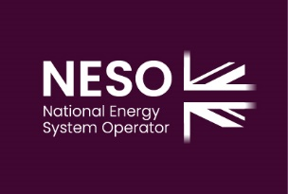
Feedback Pro-forma
Please read this document in conjunction with the accompanying EOI documents.
Please note throughout this document we use "NESO" when referring to National Energy System Operator Ltd.

This feedback form has been created to allow the market to submit feedback as part of the consultation opportunity of the Stability Mid-Term Market 27/28 tender
This feedback pro-forma consists of the following sections
1. Technical feedback
2. Any other feedback/comments

Market participants are asked to answer any specific questions in this consultation form using the space provided for feedback. In addition, there is an opportunity to provide any other thoughts or comments.
Any feedback that is received will be considered to inform document updates and / or changes that may be made in advance of the ITT stage.
Providing feedback is optional.

Instructions
The submission deadline for consultation feedback is 6 February 2026
Please return your feedback via email to box.stability@neso.energy When submitting your completed feedback proforma please ensure you include your company details in the section below.
If you have any queries please contact box.stability@neso.energy in line with the tender query process.
We ask that respondents do not embed their queries within their consultation feedback response. For ease of query management, please send any queries in line with the published query process as set out in the Instructions to Tenderers document of this EOI.
For more information please refer to the "1. Stability Mid-Term Market 27_28 Instructions To Tenderers EOI_v1" document.

Please confirm your company details here
Company Name: | [enter response here]
Contact Name | [enter response here]
Contact Email | [enter response here]
Contact Phone | [enter response here]

