Cover
FES 2025 Economics Inputs Data Workbook

About
This workbook is one of a series of three data workbooks that provide the input data, charts and analytical outputs underpinning our FES 2025 Economics Technical Annex publication. Our analysis is based on information available at the time of publication of FES 2025 on 14th July 2025. Any changes or new information released after 14th July are not reflected in this analysis. This workbook contains input data used for the analysis that supports the publication, as well as additional related data we think might be useful to our stakeholders. The publication and all associated documents can be downloaded at the web address below. Questions about this dataset should be emailed to the address below. We continue to welcome feedback, comments and suggestions on how we present and share cost data for FES. Unless otherwise stated, all cost values are presented in 2025 prices.

Contact us about this dataset
box.economics@neso.energy

Future Energy Scenarios website
https://www.neso.energy/publications/future-energy-scenarios-fes

Version
Version History
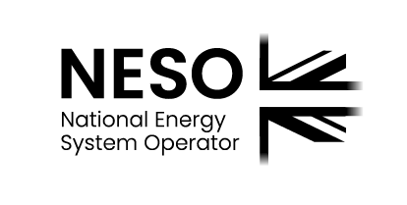

Legal Notice
Under its electricity system operator licence, National Energy System Operator Limited (NESO) is the system operator of the national electricity transmission system. NESO also holds a gas system planner licence. For the purpose of this document, the terms “NESO”, “we”, “our”, “us” etc. are used to refer to National Energy System Operator Limited (company number 11014226). NESO has prepared this document pursuant to its statutory duties and its licences in good faith, and has endeavoured to prepare this document in a manner which is, as far as reasonably possible, objective, using information collected and compiled from users of the gas and electricity transmission systems in Great Britain together with its own analysis of the future development of those systems. While NESO has not sought to mislead any person as to the contents of this document and whilst such contents represent its best view as at the time of publication, readers of this document should not place any reliance on the contents of this document. The contents of this document must be considered as illustrative only and no warranty can be or is made as to the accuracy and completeness of such contents, nor shall anything within this document constitute an offer capable of acceptance or form the basis of any contract. Other than in the event of fraudulent misstatement or fraudulent misrepresentation, NESO does not accept any responsibility for any use which is made of the information contained within this document.

