Zonal Map
Back to menu
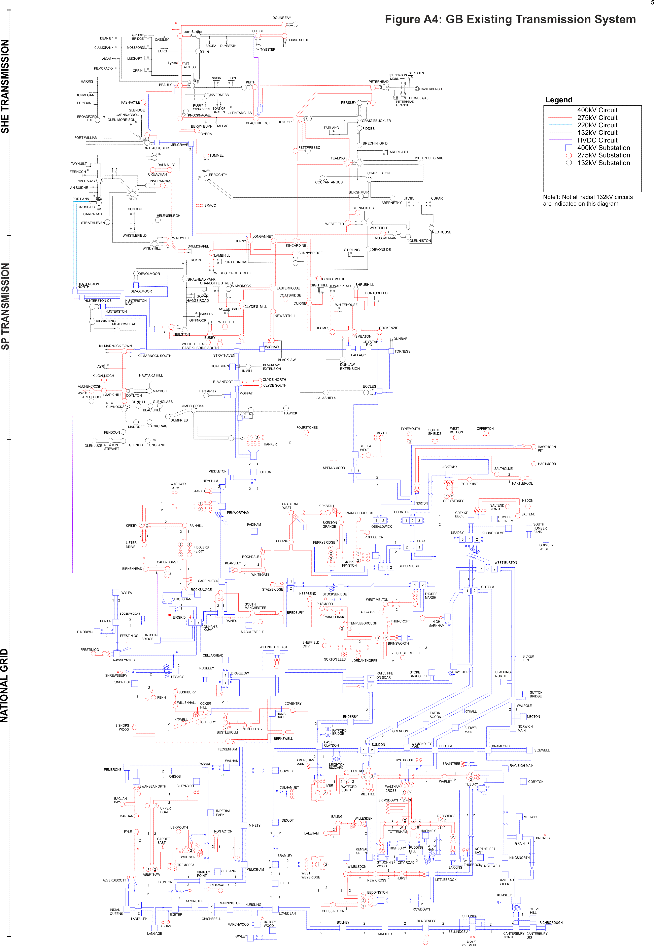
Zone SPT1
Zone NGET1
Zone NGET2
Zone SPT2
Zone SPT3
Zone SHET1

