CBA Workings 1
CBA Workings 1
RIIO-2 Cost Benefit Analysis template

Workings / assumptions used for costing option 1

Use this sheet to provide details of assumptions and calculation methodology used in CBA model. There is no set format for these workings. They can take the form of formulae or tables pasted directly into the sheet or these can be cut and pasted from a word document/ added as a pdf image.

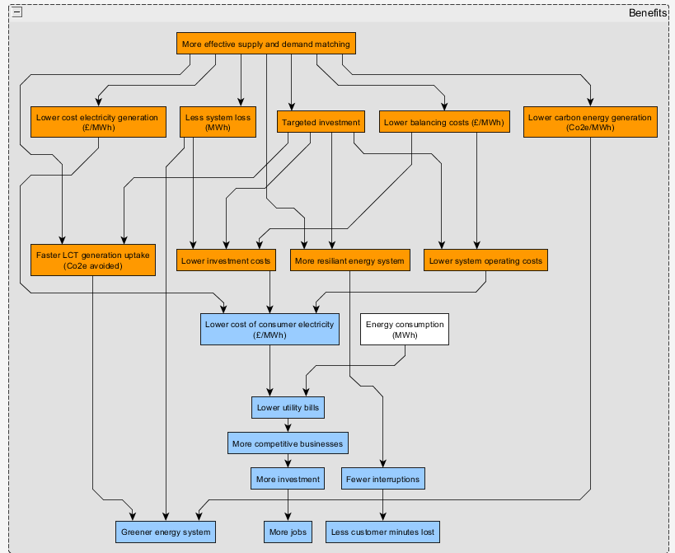
 | Benefits - Balancing Costs | Figure 1 Benefits map of all expected benefits from Fractal Flow
 | FractalFlow is expected to result in a reduction of balancing costs due to better network visibility and realtime data. Using triangular probability distributions of the least, most likely, and maximum assumed reductions in balancing costs, a Monte Carlo simulation was used to understand the distribution of likely benefits of FractalFlow (calculations are available on request). The potential percentage reduction of balancing costs is outlined in Table 1 with their respective justification. A variance analysis on the benefits calculation (Figure 2) shows that the 'constraints' have the biggest impact on overall benefits. Figure 1 shows a schematic diagram of the full expected benefits that could result from Fractal Flow. For the purpose of the CBA only the resultant lower balancing costs from more effective supply and demand matching are considered. This is because it was felt that the largest impact would be felt via this route, and because there was a clear path to quantifying the benefits because of the availabiliy of monthly balancing mechamism cost data. This CBA estimate is likely to have underestimated the full costs resulting from Fractal Flow considering that it has only attempted to monetise the benefits arising from reductions in balancing costs.

 | Table 1 Balancing Volume categories, and assumed impact effect from Fractal Flow
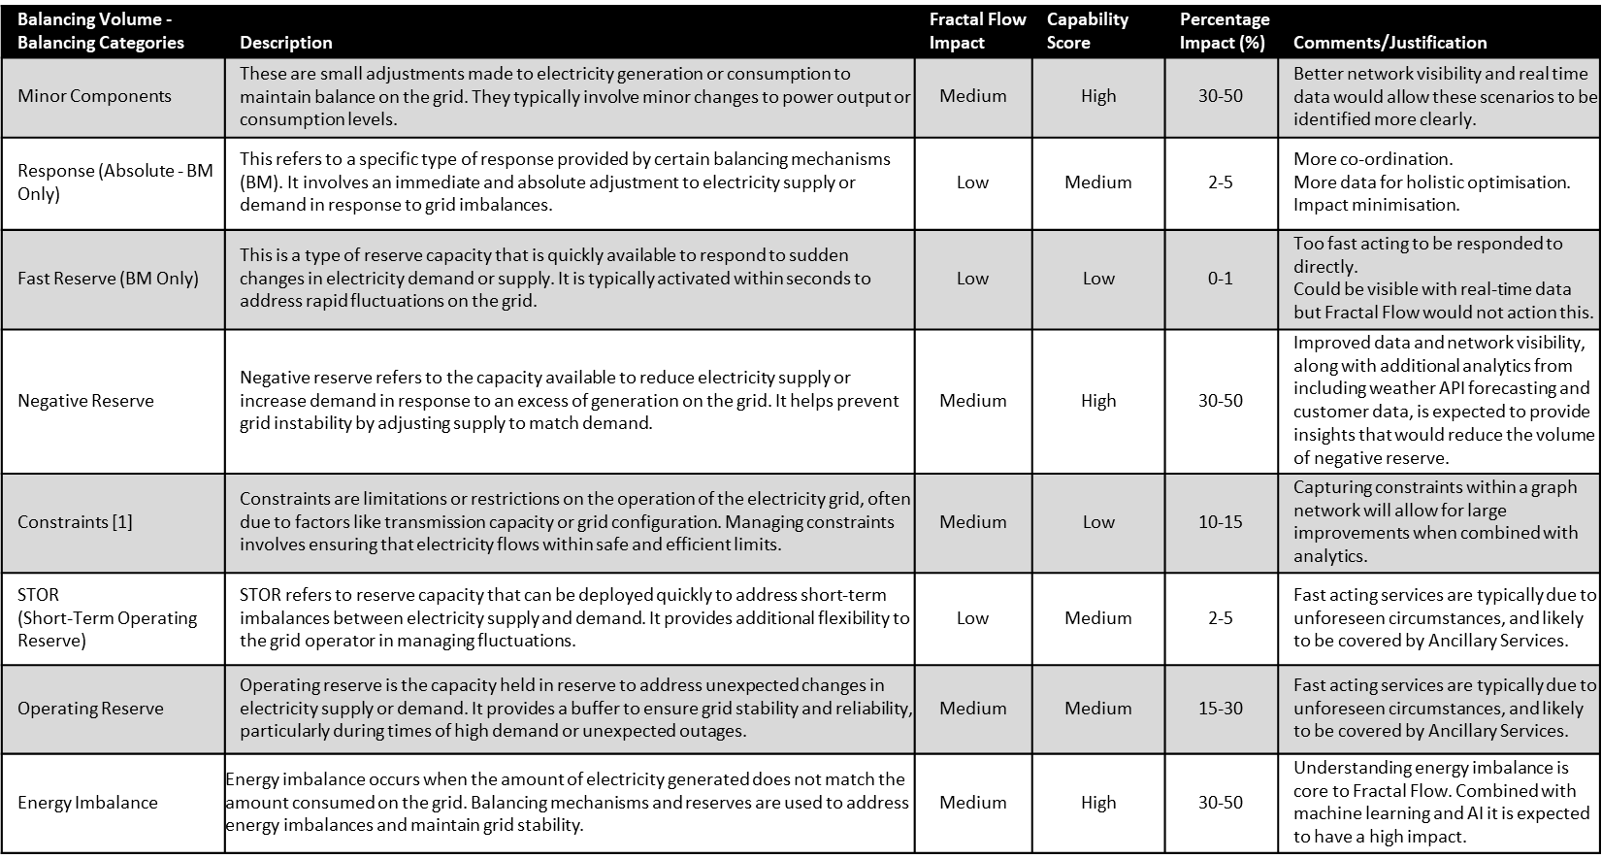
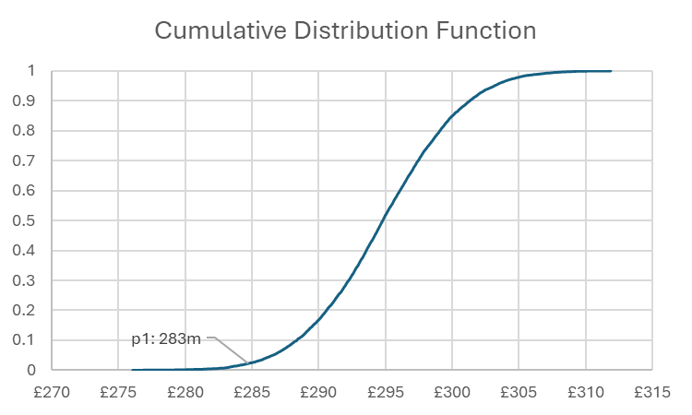
 |  |  |  |  |  |  |  |  |  | Figure 2
 |  |  |  |  |  |  |  |  |  |  |  |  |  |  |  |  | 283 | 1st percentile benefit

 | Benefits - Carbon Saving | Table 1 - Calculation of Carbon Dioxide Savings
 | Based on the distribution of bid offer acceptance across different technologies, it was possible to correlate the utilisation of generation in MWh with an estimate of the associated CO2 production per month, when cross referenced with the corresponding MBSS. | Type | Jan-23 | Feb-23 | Mar-23 | Apr-23 | May-23 | Jun-23 | Jul-23 | Aug-23 | Sep-23 | Oct-23 | Nov-23 | Dec-23 | Jan-24 | Totals per Year
 | For this assessment, data from Jan-23 to Jan-24 was used as a baseline, focusing on the dominant BM contributions provided by CCGT, OCGT, and coal power stations. | CCGT (Length) | 59.51 | 53.97 | 49.11 | 53.41 | 45.47 | 38.73 | 56.15 | 19.51 | 17.18 | 41.39 | 55.24 | 25.08 | 61.45
 | The CBA assumes balancing mechanism services are provided by low carbon technology services rather than large thermal plant alternatives, with estimates of 10%, 80% and 100% as the minimum, most likely and maximum respectively. A monte carlo simulation was undertaken and the values summed. The 1st percentile was taken which indicates up to 1.07 megatons of CO2 per year could be saved by FractalFlow, if LCT's are used to generate balancing mechanism services rather than fossil fuel powered plants in 10,80 or 100 percent of situations. | CCGT (MWh) | 1307337.43 | 1185632.69 | 1078866.43 | 1173330.4 | 998901.58 | 850834.8 | 1233523.73 | 428602.81 | 377416.52 | 909270.65 | 1213532.51 | 550966.61 | 1349956.06 | 12658172
 | Using a carbon price between £40.64 and £43.49 per tonne (2024 prices[1]) equates to between £43.5m and £46.5m in benefits from carbon emission avoided per year. Using the UK Government greenhouse gas emission central value for policy appraisal in 2024 prices (£256 per tonne[2]) the total cost avoided from carbon savings is £273.9m per annum. | CCGT (%) | 52.60% | 57.60% | 54.80% | 57.60% | 64.80% | 64.90% | 47.80% | 41.40% | 29.90% | 58.60% | 50.30% | 33.90% | 48.20%
 |  | CO2 Eqiv. (t/MWh) | 0.398 | 0.398 | 0.398 | 0.398 | 0.398 | 0.398 | 0.398 | 0.398 | 0.398 | 0.398 | 0.398 | 0.398 | 0.398
 |  | CO2 tons Total | 520843 | 472356 | 429820 | 467455 | 397962 | 338973 | 491436 | 170755 | 150363 | 362253 | 483471 | 219505 | 537822 | 5043016
 |  | OCGT (Length) | 3.16 | 2.63 | 2.63 | 4.15 | 2.44 | 1.46 | 1.05 | 4.27 | 2.13 | 2.49 | 3.31 | 4.33 | 6.16
 | Cost of Fractal Flow | OCGT (MWh) | 69420.04 | 57776.8 | 57776.8 | 91168.72 | 53602.81 | 32073.81 | 23066.78 | 93804.92 | 46792.62 | 54701.23 | 72715.29 | 95123.02 | 135325.13 | 883348
 |  | OCGT (%) | 2.79% | 2.81% | 2.94% | 4.48% | 3.48% | 2.45% | 0.89% | 9.06% | 3.70% | 3.52% | 3.02% | 5.85% | 4.84%
 | There are several initiatives that have developed similar data platforms with analytics capabilities to Fractal Flow: Near real-time data access (NeRDA) – Developed a near real-time data link for power flow data, IT infrastructure and analytics for a small section of SSEN-D's network in Oxford. Phase one (2020-2024) cost £1M and focused on creating an API link and setting up the IT infrastructure [1]. Phase two (2023-2025) cost £495k and developed the analytics capabilities [2]. Flexr – Developed a central data platform for smart meter data, DNO data, and a DER register. The solution is cloud-hosted and UK Protect classified. ElectraLink spent £3.5M in initial funding for a minimum viable product (MVP) of Flexr [3]. Obtained £10M in NIC funding (2021-2022) to develop Flexr into a BaU product [3]. Based on these projects we estimate Fractal Flow would cost £10M-£15M to develop. Ongoing maintenance and support costs are estimated at 10% of development costs, e.g. £1M-£1.5M per annum. The uncertainty in this estimate will reduce during Alpha where software requirements are defined. | CO2 Eqiv. (t/MWh) | 0.5 | 0.5 | 0.5 | 0.5 | 0.5 | 0.5 | 0.5 | 0.5 | 0.5 | 0.5 | 0.5 | 0.5 | 0.5
 |  | CO2 tons Total | 34710 | 28888 | 28888 | 45584 | 26801 | 16037 | 11533 | 46902 | 23396 | 27351 | 36358 | 47562 | 67663 | 441674
 |  | Coal (Length) | 5.22 | 3.21 | 1.96 | 0.52 | 0 | 1.11 | 2.43 | 0.51 | 0.47 | 1.9 | 3.48 | 0 | 3.44
 |  | Coal (MWh) | 114674.87 | 70518.45 | 43058 | 11423.55 | 0 | 24384.89 | 53383.13 | 11203.87 | 10325.13 | 41739.89 | 76449.91 | 0 | 75571.18 | 532733
 |  | Coal (%) | 4.61% | 3.43% | 2.19% | 0.56% | 0.00% | 1.86% | 2.07% | 1.08% | 0.82% | 2.69% | 3.17% | 0.00% | 2.70%
 |  | CO2 Eqiv. (t/MWh) | 0.99 | 0.99 | 0.99 | 0.99 | 0.99 | 0.99 | 0.99 | 0.99 | 0.99 | 0.99 | 0.99 | 0.99 | 0.99
 |  | CO2 tons Total | 113393.95 | 69730.76 | 42577.04 | 11295.95 | 0 | 24112.51 | 52786.84 | 11078.72 | 10209.8 | 41273.66 | 75595.97 | 0 | 74727.05 | 526782
 | Figure 2 - the sensivitivy of benefits results to input parameters
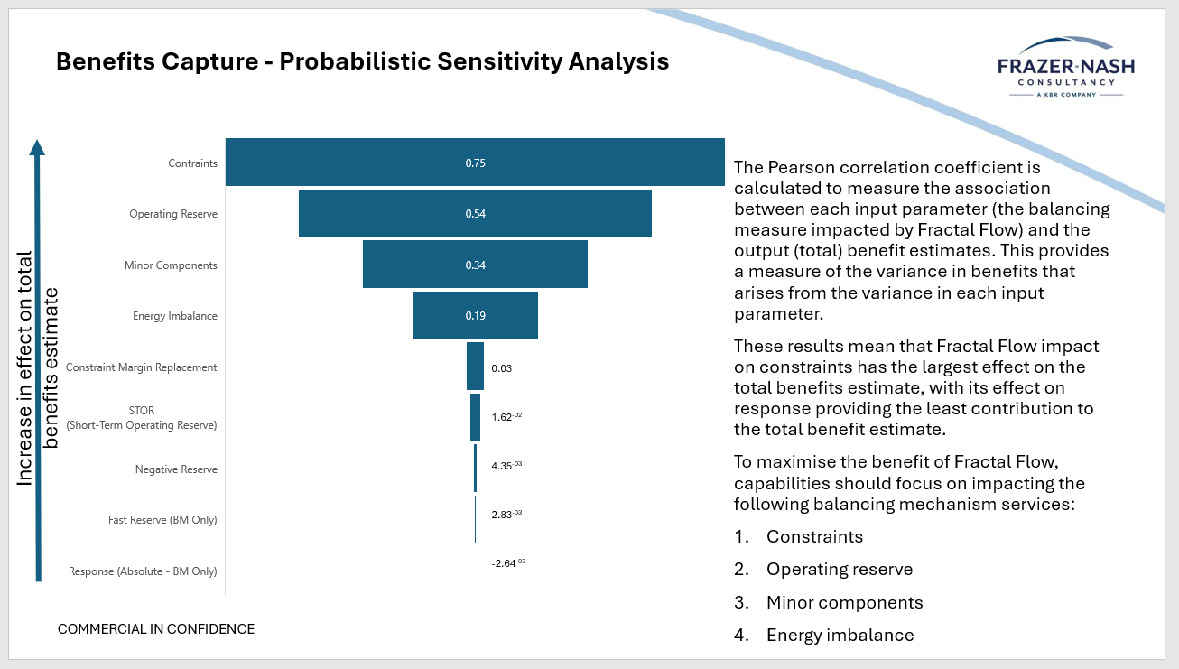
 |  | Total (length) | 113.22 | 93.62 | 89.59 | 92.66 | 70.17 | 59.68 | 117.53 | 47.11 | 57.52 | 70.66 | 109.78 | 73.98 | 127.4
 |  | Total (MWh) | 2487258.35 | 2056678.38 | 1968145.87 | 2035588.75 | 1541520.21 | 1311072.06 | 2581942 | 1034929.7 | 1263620.39 | 1552284.71 | 2411687.17 | 1625219.68 | 2798769.77

 |  | 500,000.00 | MWh | 22.76 | length
 |  | 21968.37 | Unit Energy (MWh) | 1.00 | unit length

 |  | Total MWh from major BM | 14074253 | MWh | 14074.25 | GWh per year
 |  | Total CO2 from major BM | 6011472 | t CO2 | 6.01 | Megaton Co2 per year

 |  | 10% | 601,147.20
 |  | 80% | 4,809,177.64 | Monte Carlo simulation
 |  | 100% | 6,011,472.05

 |  | Probabilised Costs | 4,800,952.00

 |  | p1 | 1,068,957.00
 |  | Megaton Co2 per year | 1.07 | Rounded to two decimal places

 | References
 | [1] Ofgem RIIO-ED2 Cost Benefit Analysis template – Fixed Data
 | [2] https://www.gov.uk/government/publications/valuing-greenhouse-gas-emissions-in-policy-appraisal/valuation-of-greenhouse-gas-emissions-for-policy-appraisal-and-evaluation#introduction | 500,000.00 | MWh | 22.76 | length
 |  | 21968.37 | Unit Energy (MWh) | 1 | unit length

 |  | Total MWh from major BM | 14074253 | MWh | 14074.25 | GWh per year
 |  | Total CO2 from major BM | 6011472 | t CO2 | 6.01 | Megaton Co2 per year

Outputs Dashboard
Choose a CBA Option below to display key performance metrics for that Option.
Benefits by Category
Benefits by Confidence Level
 | CBA Option | CBA Option 1

Key Financial Metrics
 |  |  |  |  | Lifetime net financial benefits | Lifetime net environmental benefits | Lifetime net societal benefits | Lifetime high confidence benefits | Lifetime medium confidence benefits |  | Lifetime low confidence benefits

 |  |  |  |  | -£52,661,005 | £5,757,051,083 | £5,967,932,075 | £0 | £5,757,051,083 |  | £5,915,271,070
Discounted cumulative environmental net benefits
 | Net discounted financial benefits | Net discounted environmental benefits | Net discounted societal benefits | Total Benefits
2024 | -4500.00 | 0.00 | 0.00 | -4500.00
2025 | -8847.83 | 0.00 | 0.00 | -8847.83
2026 | -13048.62 | 0.00 | 0.00 | -13048.62
2027 | -17107.37 | 0.00 | 0.00 | -17107.37
2028 | -21028.86 | 0.00 | 0.00 | -21028.86
2029 | -22291.82 | 0.00 | 0.00 | -22291.82
2030 | -23512.07 | 0.00 | 0.00 | -23512.07
2031 | -24691.05 | 0.00 | 0.00 | -24691.05
2032 | -25830.17 | 0.00 | 0.00 | -25830.17
2033 | -26930.77 | 0.00 | 93362.87 | 66432.10
2034 | -27994.15 | 1148.45 | 183568.55 | 156722.85
2035 | -29021.56 | 2258.06 | 270723.78 | 243960.28
2036 | -30014.24 | 3330.15 | 354931.75 | 328247.66
2037 | -30973.35 | 4365.98 | 436292.09 | 409684.73
2038 | -31900.02 | 5366.79 | 514901.13 | 488367.90
2039 | -32795.35 | 6333.75 | 590851.88 | 564390.28
2040 | -33660.41 | 7268.02 | 664234.26 | 637841.86
2041 | -34496.22 | 8170.69 | 735135.10 | 708809.57
2042 | -35303.76 | 9042.83 | 803638.33 | 777377.40
2043 | -36083.99 | 9885.48 | 869825.03 | 843626.52
2044 | -36837.84 | 10699.64 | 933773.53 | 907635.33
2045 | -37566.20 | 11486.27 | 995559.52 | 969479.58
2046 | -38269.92 | 12246.29 | 1055256.12 | 1029232.49
2047 | -38949.85 | 12980.61 | 1112934.01 | 1086964.77
2048 | -39606.79 | 13690.10 | 1168661.43 | 1142744.74
2049 | -40241.51 | 14375.60 | 1222504.35 | 1196638.44
2050 | -40854.77 | 15037.92 | 1274526.49 | 1248709.65
2051 | -41447.28 | 15677.84 | 1324789.44 | 1299019.99
2052 | -42019.77 | 16296.12 | 1373352.66 | 1347629.02
2053 | -42572.89 | 16893.49 | 1420273.66 | 1394594.26
2054 | -43107.31 | 17470.66 | 1465607.95 | 1439971.31
2055 | -43626.16 | 18031.02 | 1509621.83 | 1484026.69
2056 | -44129.90 | 18575.06 | 1552353.75 | 1526798.91
2057 | -44618.97 | 19103.25 | 1593841.05 | 1568325.34
2058 | -45093.79 | 19616.06 | 1634119.98 | 1608642.26
2059 | -45554.78 | 20113.94 | 1673225.74 | 1647784.90
2060 | -46002.35 | 20597.31 | 1711192.50 | 1685787.46
2061 | -46436.88 | 21066.60 | 1748053.43 | 1722683.15
2062 | -46858.75 | 21522.22 | 1783840.74 | 1758504.21
2063 | -47268.34 | 21964.58 | 1818585.70 | 1793281.94
2064 | -47666.00 | 22394.05 | 1852318.68 | 1827046.73
2065 | -48052.07 | 22811.01 | 1885069.13 | 1859828.07
2066 | -48426.90 | 23215.82 | 1916865.70 | 1891654.62
2067 | -48790.81 | 23608.85 | 1947736.14 | 1922554.18
2068 | -49144.13 | 23990.43 | 1977707.45 | 1952553.75
2069 | -49487.15 | 24360.89 | 2006805.81 | 1981679.55
2070 | -49820.18 | 24720.57 | 2035056.64 | 2009957.03
2071 | -50143.51 | 25069.76 | 2062484.64 | 2037410.89
2072 | -50457.43 | 25408.79 | 2089113.76 | 2064065.12
2073 | -50762.20 | 25737.94 | 2114967.27 | 2089943.02
...
Net benefits by confidence level
 | High confidence net benefits | Medium confidence net benefits | Low confidence net benefits
10 | 0.00 | 1074147.79 | 1086563.10
20 | 0.00 | 2740034.99 | 2804318.58
30 | 0.00 | 3921013.77 | 4022067.76
45 | 0.00 | 5116979.10 | 5255270.11
Whole Life | 0.00 | 5757051.08 | 5915271.07
 |  |  |  |  |  |  |  |  |  | Data mitigation plan
 | Term | NPV |  |  |  |  |  |  |  | The may be cost overruns to the development of FractalFlow. An agile project management approach will help mitigate the risk of this.
 | 10 | £2,160,710,892
 | 20 | £5,544,353,570
 | 30 | £7,943,081,524
 | 45 | £10,372,249,206
 | Whole Life | £11,672,322,153

 | Payback period | 5 Years
 | Project breaks even in 2029

Environmental Benefits Breakdown
Annual avoided emissions by scope
 | Direct emissions delta | Indirect emissions delta
2024 | 0.00 | 0.00
2025 | 0.00 | 0.00
2026 | 0.00 | 0.00
2027 | 0.00 | 0.00
2028 | 0.00 | 0.00
2029 | 0.00 | 0.00
2030 | 0.00 | 0.00
2031 | 0.00 | 0.00
2032 | 0.00 | 0.00
2033 | 0.00 | 0.00
2034 | 0.00 | 0.00
2035 | 0.00 | 0.00
2036 | 0.00 | 0.00
2037 | 0.00 | 0.00
2038 | 0.00 | 0.00
2039 | 0.00 | 0.00
2040 | 0.00 | 0.00
2041 | 0.00 | 0.00
2042 | 0.00 | 0.00
2043 | 0.00 | 0.00
2044 | 0.00 | 0.00
2045 | 0.00 | 0.00
2046 | 0.00 | 0.00
2047 | 0.00 | 0.00
2048 | 0.00 | 0.00
2049 | 0.00 | 0.00
2050 | 0.00 | 0.00
2051 | 0.00 | 0.00
2052 | 0.00 | 0.00
2053 | 0.00 | 0.00
2054 | 0.00 | 0.00
2055 | 0.00 | 0.00
2056 | 0.00 | 0.00
2057 | 0.00 | 0.00
2058 | 0.00 | 0.00
2059 | 0.00 | 0.00
2060 | 0.00 | 0.00
2061 | 0.00 | 0.00
2062 | 0.00 | 0.00
2063 | 0.00 | 0.00
2064 | 0.00 | 0.00
2065 | 0.00 | 0.00
2066 | 0.00 | 0.00
2067 | 0.00 | 0.00
2068 | 0.00 | 0.00
2069 | 0.00 | 0.00
2070 | 0.00 | 0.00
2071 | 0.00 | 0.00
2072 | 0.00 | 0.00
2073 | 0.00 | 0.00
...
Discounted cumulative environmental net benefits
 | Other 10 (specify) | Other 9 (specify) | Other 8 (specify) | Other 7 (specify) | Other 6 (specify) | Other 5 (specify) | Other 4 (specify) | 0 | 0 | Carbon savings | Reduced/Increased oil leakage | Other gas leakage 3 (specify) (e.g. SF6, H2, CH4, N2O, etc.)
2024 | 0.00 | 0.00 | 0.00 | 0.00 | 0.00 | 0.00 | 0.00 | 0.00 | 0.00 | 0.00 | 0.00 | 0.00
2025 | 0.00 | 0.00 | 0.00 | 0.00 | 0.00 | 0.00 | 0.00 | 0.00 | 0.00 | 0.00 | 0.00 | 0.00
2026 | 0.00 | 0.00 | 0.00 | 0.00 | 0.00 | 0.00 | 0.00 | 0.00 | 0.00 | 0.00 | 0.00 | 0.00
2027 | 0.00 | 0.00 | 0.00 | 0.00 | 0.00 | 0.00 | 0.00 | 0.00 | 0.00 | 0.00 | 0.00 | 0.00
2028 | 0.00 | 0.00 | 0.00 | 0.00 | 0.00 | 0.00 | 0.00 | 0.00 | 0.00 | 0.00 | 0.00 | 0.00
2029 | 0.00 | 0.00 | 0.00 | 0.00 | 0.00 | 0.00 | 0.00 | 0.00 | 0.00 | 0.00 | 0.00 | 0.00
2030 | 0.00 | 0.00 | 0.00 | 0.00 | 0.00 | 0.00 | 0.00 | 0.00 | 0.00 | 0.00 | 0.00 | 0.00
2031 | 0.00 | 0.00 | 0.00 | 0.00 | 0.00 | 0.00 | 0.00 | 0.00 | 0.00 | 0.00 | 0.00 | 0.00
2032 | 0.00 | 0.00 | 0.00 | 0.00 | 0.00 | 0.00 | 0.00 | 0.00 | 0.00 | 0.00 | 0.00 | 0.00
2033 | 0.00 | 0.00 | 0.00 | 0.00 | 0.00 | 0.00 | 0.00 | 0.00 | 0.00 | 0.00 | 0.00 | 0.00
2034 | 0.00 | 0.00 | 0.00 | 0.00 | 0.00 | 0.00 | 0.00 | 0.00 | 0.00 | 1148.45 | 0.00 | 0.00
2035 | 0.00 | 0.00 | 0.00 | 0.00 | 0.00 | 0.00 | 0.00 | 0.00 | 0.00 | 2258.06 | 0.00 | 0.00
2036 | 0.00 | 0.00 | 0.00 | 0.00 | 0.00 | 0.00 | 0.00 | 0.00 | 0.00 | 3330.15 | 0.00 | 0.00
2037 | 0.00 | 0.00 | 0.00 | 0.00 | 0.00 | 0.00 | 0.00 | 0.00 | 0.00 | 4365.98 | 0.00 | 0.00
2038 | 0.00 | 0.00 | 0.00 | 0.00 | 0.00 | 0.00 | 0.00 | 0.00 | 0.00 | 5366.79 | 0.00 | 0.00
2039 | 0.00 | 0.00 | 0.00 | 0.00 | 0.00 | 0.00 | 0.00 | 0.00 | 0.00 | 6333.75 | 0.00 | 0.00
2040 | 0.00 | 0.00 | 0.00 | 0.00 | 0.00 | 0.00 | 0.00 | 0.00 | 0.00 | 7268.02 | 0.00 | 0.00
2041 | 0.00 | 0.00 | 0.00 | 0.00 | 0.00 | 0.00 | 0.00 | 0.00 | 0.00 | 8170.69 | 0.00 | 0.00
2042 | 0.00 | 0.00 | 0.00 | 0.00 | 0.00 | 0.00 | 0.00 | 0.00 | 0.00 | 9042.83 | 0.00 | 0.00
2043 | 0.00 | 0.00 | 0.00 | 0.00 | 0.00 | 0.00 | 0.00 | 0.00 | 0.00 | 9885.48 | 0.00 | 0.00
2044 | 0.00 | 0.00 | 0.00 | 0.00 | 0.00 | 0.00 | 0.00 | 0.00 | 0.00 | 10699.64 | 0.00 | 0.00
2045 | 0.00 | 0.00 | 0.00 | 0.00 | 0.00 | 0.00 | 0.00 | 0.00 | 0.00 | 11486.27 | 0.00 | 0.00
2046 | 0.00 | 0.00 | 0.00 | 0.00 | 0.00 | 0.00 | 0.00 | 0.00 | 0.00 | 12246.29 | 0.00 | 0.00
2047 | 0.00 | 0.00 | 0.00 | 0.00 | 0.00 | 0.00 | 0.00 | 0.00 | 0.00 | 12980.61 | 0.00 | 0.00
2048 | 0.00 | 0.00 | 0.00 | 0.00 | 0.00 | 0.00 | 0.00 | 0.00 | 0.00 | 13690.10 | 0.00 | 0.00
2049 | 0.00 | 0.00 | 0.00 | 0.00 | 0.00 | 0.00 | 0.00 | 0.00 | 0.00 | 14375.60 | 0.00 | 0.00
2050 | 0.00 | 0.00 | 0.00 | 0.00 | 0.00 | 0.00 | 0.00 | 0.00 | 0.00 | 15037.92 | 0.00 | 0.00
2051 | 0.00 | 0.00 | 0.00 | 0.00 | 0.00 | 0.00 | 0.00 | 0.00 | 0.00 | 15677.84 | 0.00 | 0.00
2052 | 0.00 | 0.00 | 0.00 | 0.00 | 0.00 | 0.00 | 0.00 | 0.00 | 0.00 | 16296.12 | 0.00 | 0.00
2053 | 0.00 | 0.00 | 0.00 | 0.00 | 0.00 | 0.00 | 0.00 | 0.00 | 0.00 | 16893.49 | 0.00 | 0.00
2054 | 0.00 | 0.00 | 0.00 | 0.00 | 0.00 | 0.00 | 0.00 | 0.00 | 0.00 | 17470.66 | 0.00 | 0.00
2055 | 0.00 | 0.00 | 0.00 | 0.00 | 0.00 | 0.00 | 0.00 | 0.00 | 0.00 | 18031.02 | 0.00 | 0.00
2056 | 0.00 | 0.00 | 0.00 | 0.00 | 0.00 | 0.00 | 0.00 | 0.00 | 0.00 | 18575.06 | 0.00 | 0.00
2057 | 0.00 | 0.00 | 0.00 | 0.00 | 0.00 | 0.00 | 0.00 | 0.00 | 0.00 | 19103.25 | 0.00 | 0.00
2058 | 0.00 | 0.00 | 0.00 | 0.00 | 0.00 | 0.00 | 0.00 | 0.00 | 0.00 | 19616.06 | 0.00 | 0.00
2059 | 0.00 | 0.00 | 0.00 | 0.00 | 0.00 | 0.00 | 0.00 | 0.00 | 0.00 | 20113.94 | 0.00 | 0.00
2060 | 0.00 | 0.00 | 0.00 | 0.00 | 0.00 | 0.00 | 0.00 | 0.00 | 0.00 | 20597.31 | 0.00 | 0.00
2061 | 0.00 | 0.00 | 0.00 | 0.00 | 0.00 | 0.00 | 0.00 | 0.00 | 0.00 | 21066.60 | 0.00 | 0.00
2062 | 0.00 | 0.00 | 0.00 | 0.00 | 0.00 | 0.00 | 0.00 | 0.00 | 0.00 | 21522.22 | 0.00 | 0.00
2063 | 0.00 | 0.00 | 0.00 | 0.00 | 0.00 | 0.00 | 0.00 | 0.00 | 0.00 | 21964.58 | 0.00 | 0.00
2064 | 0.00 | 0.00 | 0.00 | 0.00 | 0.00 | 0.00 | 0.00 | 0.00 | 0.00 | 22394.05 | 0.00 | 0.00
2065 | 0.00 | 0.00 | 0.00 | 0.00 | 0.00 | 0.00 | 0.00 | 0.00 | 0.00 | 22811.01 | 0.00 | 0.00
2066 | 0.00 | 0.00 | 0.00 | 0.00 | 0.00 | 0.00 | 0.00 | 0.00 | 0.00 | 23215.82 | 0.00 | 0.00
2067 | 0.00 | 0.00 | 0.00 | 0.00 | 0.00 | 0.00 | 0.00 | 0.00 | 0.00 | 23608.85 | 0.00 | 0.00
2068 | 0.00 | 0.00 | 0.00 | 0.00 | 0.00 | 0.00 | 0.00 | 0.00 | 0.00 | 23990.43 | 0.00 | 0.00
2069 | 0.00 | 0.00 | 0.00 | 0.00 | 0.00 | 0.00 | 0.00 | 0.00 | 0.00 | 24360.89 | 0.00 | 0.00
2070 | 0.00 | 0.00 | 0.00 | 0.00 | 0.00 | 0.00 | 0.00 | 0.00 | 0.00 | 24720.57 | 0.00 | 0.00
2071 | 0.00 | 0.00 | 0.00 | 0.00 | 0.00 | 0.00 | 0.00 | 0.00 | 0.00 | 25069.76 | 0.00 | 0.00
2072 | 0.00 | 0.00 | 0.00 | 0.00 | 0.00 | 0.00 | 0.00 | 0.00 | 0.00 | 25408.79 | 0.00 | 0.00
2073 | 0.00 | 0.00 | 0.00 | 0.00 | 0.00 | 0.00 | 0.00 | 0.00 | 0.00 | 25737.94 | 0.00 | 0.00
...

 | Parameter |  | Units | Value
 | Reduced/Increased electrical losses |  | MWh | 0.0 |  |  |  |  | Carbon savings
 | Reduced/Increased emissions associated with losses |  | tCO2e | 0.0
 | Reduced/Increased direct emissions (not associated with losses) |  | tCO2e | 0.0
 | Reduced/Increased indirect emissions (not associated with losses) |  | tCO2e | 0.0
 | Shrinkage - theft of gas & own use gas |  | tCO2e | 0.0
 | Other gas leakage 1 (specify) (e.g. SF6, H2, CH4, N2O, etc.) |  | tCO2e | 0.0
 | Other gas leakage 2 (specify) (e.g. SF6, H2, CH4, N2O, etc.) |  | tCO2e | 0.0
 | Other gas leakage 3 (specify) (e.g. SF6, H2, CH4, N2O, etc.) |  | tCO2e | 0.0
 | Reduced/Increased oil leakage |  | Litres | 0.0
 | Carbon savings |  | £m | 14196.0
 | 0 |  | £m | 0.0
 | 0 |  | £m | 0.0
 | Other 4 (specify) |  | £m | 0.0
 | Other 5 (specify) |  | £m | 0.0
 | Other 6 (specify) |  | £m | 0.0
 | Other 7 (specify) |  | £m | 0.0
 | Other 8 (specify) |  | £m | 0.0
 | Other 9 (specify) |  | £m | 0.0
 | Other 10 (specify) |  | £m | 0.0

Discounted cumulative societal net benefits
 | Other 10 (specify) | Other 9 (specify) | Other 8 (specify) | Other 7 (specify) | Other 6 (specify) | Other 5 (specify) | Other 4 (specify) | Other 3 (specify) | Lower balancing costs | Lower cost electricity generation sources supply the grid | Non-Fatal/ Major injury | Fatality
2024 | 0.00 | 0.00 | 0.00 | 0.00 | 0.00 | 0.00 | 0.00 | 0.00 | 0.00 | 0.00 | 0.00 | 0.00
2025 | 0.00 | 0.00 | 0.00 | 0.00 | 0.00 | 0.00 | 0.00 | 0.00 | 0.00 | 0.00 | 0.00 | 0.00
2026 | 0.00 | 0.00 | 0.00 | 0.00 | 0.00 | 0.00 | 0.00 | 0.00 | 0.00 | 0.00 | 0.00 | 0.00
2027 | 0.00 | 0.00 | 0.00 | 0.00 | 0.00 | 0.00 | 0.00 | 0.00 | 0.00 | 0.00 | 0.00 | 0.00
2028 | 0.00 | 0.00 | 0.00 | 0.00 | 0.00 | 0.00 | 0.00 | 0.00 | 0.00 | 0.00 | 0.00 | 0.00
2029 | 0.00 | 0.00 | 0.00 | 0.00 | 0.00 | 0.00 | 0.00 | 0.00 | 0.00 | 0.00 | 0.00 | 0.00
2030 | 0.00 | 0.00 | 0.00 | 0.00 | 0.00 | 0.00 | 0.00 | 0.00 | 0.00 | 0.00 | 0.00 | 0.00
2031 | 0.00 | 0.00 | 0.00 | 0.00 | 0.00 | 0.00 | 0.00 | 0.00 | 0.00 | 0.00 | 0.00 | 0.00
2032 | 0.00 | 0.00 | 0.00 | 0.00 | 0.00 | 0.00 | 0.00 | 0.00 | 0.00 | 0.00 | 0.00 | 0.00
2033 | 0.00 | 0.00 | 0.00 | 0.00 | 0.00 | 0.00 | 0.00 | 0.00 | 93362.87 | 0.00 | 0.00 | 0.00
2034 | 0.00 | 0.00 | 0.00 | 0.00 | 0.00 | 0.00 | 0.00 | 0.00 | 183568.55 | 0.00 | 0.00 | 0.00
2035 | 0.00 | 0.00 | 0.00 | 0.00 | 0.00 | 0.00 | 0.00 | 0.00 | 270723.78 | 0.00 | 0.00 | 0.00
2036 | 0.00 | 0.00 | 0.00 | 0.00 | 0.00 | 0.00 | 0.00 | 0.00 | 354931.75 | 0.00 | 0.00 | 0.00
2037 | 0.00 | 0.00 | 0.00 | 0.00 | 0.00 | 0.00 | 0.00 | 0.00 | 436292.09 | 0.00 | 0.00 | 0.00
2038 | 0.00 | 0.00 | 0.00 | 0.00 | 0.00 | 0.00 | 0.00 | 0.00 | 514901.13 | 0.00 | 0.00 | 0.00
2039 | 0.00 | 0.00 | 0.00 | 0.00 | 0.00 | 0.00 | 0.00 | 0.00 | 590851.88 | 0.00 | 0.00 | 0.00
2040 | 0.00 | 0.00 | 0.00 | 0.00 | 0.00 | 0.00 | 0.00 | 0.00 | 664234.26 | 0.00 | 0.00 | 0.00
2041 | 0.00 | 0.00 | 0.00 | 0.00 | 0.00 | 0.00 | 0.00 | 0.00 | 735135.10 | 0.00 | 0.00 | 0.00
2042 | 0.00 | 0.00 | 0.00 | 0.00 | 0.00 | 0.00 | 0.00 | 0.00 | 803638.33 | 0.00 | 0.00 | 0.00
2043 | 0.00 | 0.00 | 0.00 | 0.00 | 0.00 | 0.00 | 0.00 | 0.00 | 869825.03 | 0.00 | 0.00 | 0.00
2044 | 0.00 | 0.00 | 0.00 | 0.00 | 0.00 | 0.00 | 0.00 | 0.00 | 933773.53 | 0.00 | 0.00 | 0.00
2045 | 0.00 | 0.00 | 0.00 | 0.00 | 0.00 | 0.00 | 0.00 | 0.00 | 995559.52 | 0.00 | 0.00 | 0.00
2046 | 0.00 | 0.00 | 0.00 | 0.00 | 0.00 | 0.00 | 0.00 | 0.00 | 1055256.12 | 0.00 | 0.00 | 0.00
2047 | 0.00 | 0.00 | 0.00 | 0.00 | 0.00 | 0.00 | 0.00 | 0.00 | 1112934.01 | 0.00 | 0.00 | 0.00
2048 | 0.00 | 0.00 | 0.00 | 0.00 | 0.00 | 0.00 | 0.00 | 0.00 | 1168661.43 | 0.00 | 0.00 | 0.00
2049 | 0.00 | 0.00 | 0.00 | 0.00 | 0.00 | 0.00 | 0.00 | 0.00 | 1222504.35 | 0.00 | 0.00 | 0.00
2050 | 0.00 | 0.00 | 0.00 | 0.00 | 0.00 | 0.00 | 0.00 | 0.00 | 1274526.49 | 0.00 | 0.00 | 0.00
2051 | 0.00 | 0.00 | 0.00 | 0.00 | 0.00 | 0.00 | 0.00 | 0.00 | 1324789.44 | 0.00 | 0.00 | 0.00
2052 | 0.00 | 0.00 | 0.00 | 0.00 | 0.00 | 0.00 | 0.00 | 0.00 | 1373352.66 | 0.00 | 0.00 | 0.00
2053 | 0.00 | 0.00 | 0.00 | 0.00 | 0.00 | 0.00 | 0.00 | 0.00 | 1420273.66 | 0.00 | 0.00 | 0.00
2054 | 0.00 | 0.00 | 0.00 | 0.00 | 0.00 | 0.00 | 0.00 | 0.00 | 1465607.95 | 0.00 | 0.00 | 0.00
2055 | 0.00 | 0.00 | 0.00 | 0.00 | 0.00 | 0.00 | 0.00 | 0.00 | 1509621.83 | 0.00 | 0.00 | 0.00
2056 | 0.00 | 0.00 | 0.00 | 0.00 | 0.00 | 0.00 | 0.00 | 0.00 | 1552353.75 | 0.00 | 0.00 | 0.00
2057 | 0.00 | 0.00 | 0.00 | 0.00 | 0.00 | 0.00 | 0.00 | 0.00 | 1593841.05 | 0.00 | 0.00 | 0.00
2058 | 0.00 | 0.00 | 0.00 | 0.00 | 0.00 | 0.00 | 0.00 | 0.00 | 1634119.98 | 0.00 | 0.00 | 0.00
2059 | 0.00 | 0.00 | 0.00 | 0.00 | 0.00 | 0.00 | 0.00 | 0.00 | 1673225.74 | 0.00 | 0.00 | 0.00
2060 | 0.00 | 0.00 | 0.00 | 0.00 | 0.00 | 0.00 | 0.00 | 0.00 | 1711192.50 | 0.00 | 0.00 | 0.00
2061 | 0.00 | 0.00 | 0.00 | 0.00 | 0.00 | 0.00 | 0.00 | 0.00 | 1748053.43 | 0.00 | 0.00 | 0.00
2062 | 0.00 | 0.00 | 0.00 | 0.00 | 0.00 | 0.00 | 0.00 | 0.00 | 1783840.74 | 0.00 | 0.00 | 0.00
2063 | 0.00 | 0.00 | 0.00 | 0.00 | 0.00 | 0.00 | 0.00 | 0.00 | 1818585.70 | 0.00 | 0.00 | 0.00
2064 | 0.00 | 0.00 | 0.00 | 0.00 | 0.00 | 0.00 | 0.00 | 0.00 | 1852318.68 | 0.00 | 0.00 | 0.00
2065 | 0.00 | 0.00 | 0.00 | 0.00 | 0.00 | 0.00 | 0.00 | 0.00 | 1885069.13 | 0.00 | 0.00 | 0.00
2066 | 0.00 | 0.00 | 0.00 | 0.00 | 0.00 | 0.00 | 0.00 | 0.00 | 1916865.70 | 0.00 | 0.00 | 0.00
2067 | 0.00 | 0.00 | 0.00 | 0.00 | 0.00 | 0.00 | 0.00 | 0.00 | 1947736.14 | 0.00 | 0.00 | 0.00
2068 | 0.00 | 0.00 | 0.00 | 0.00 | 0.00 | 0.00 | 0.00 | 0.00 | 1977707.45 | 0.00 | 0.00 | 0.00
2069 | 0.00 | 0.00 | 0.00 | 0.00 | 0.00 | 0.00 | 0.00 | 0.00 | 2006805.81 | 0.00 | 0.00 | 0.00
2070 | 0.00 | 0.00 | 0.00 | 0.00 | 0.00 | 0.00 | 0.00 | 0.00 | 2035056.64 | 0.00 | 0.00 | 0.00
2071 | 0.00 | 0.00 | 0.00 | 0.00 | 0.00 | 0.00 | 0.00 | 0.00 | 2062484.64 | 0.00 | 0.00 | 0.00
2072 | 0.00 | 0.00 | 0.00 | 0.00 | 0.00 | 0.00 | 0.00 | 0.00 | 2089113.76 | 0.00 | 0.00 | 0.00
2073 | 0.00 | 0.00 | 0.00 | 0.00 | 0.00 | 0.00 | 0.00 | 0.00 | 2114967.27 | 0.00 | 0.00 | 0.00
...
Societal Benefits Breakdown
 |  |  |  |  |  |  |  |  |  | Non-Quantifiable Societal Benefits
 |  |  |  |  |  |  |  |  |  | Fractal Flow will increase system security by improving the accuracy and understanding of regional power dynamics.
 |  |  |  |  |  |  |  |  | Lower balancing costs

 | Parameter |  | Units | Value
 | Customer interruptions (CI) |  | no. | 0.0
 | Customer minutes lost (CML) |  | Mins | 0.0
 | Fatality |  | no. | 0.0
 | Non-Fatal/ Major injury |  | no. | 0.0
 | Lower cost electricity generation sources supply the grid |  | £m | 0.0
 | Lower balancing costs |  | £m | 14716.0
 | Other 3 (specify) |  | £m | 0.0
 | Other 4 (specify) |  | £m | 0.0
 | Other 5 (specify) |  | £m | 0.0
 | Other 6 (specify) |  | £m | 0.0
 | Other 7 (specify) |  | £m | 0.0
 | Other 8 (specify) |  | £m | 0.0
 | Other 9 (specify) |  | £m | 0.0
 | Other 10 (specify) |  | £m | 0.0

