Figure 1
Figure 1 - Week-by-week forecast view of operational surplus for winter 2020/21 (from Winter Outlook Report 2020/21)

Week Number | 44W20 | 45W20 | 46W20 | 47W20 | 48W20 | 49W20 | 50W20 | 51W20 | 52W20 | 53W20 | 01W21 | 02W21 | 03W21 | 04W21 | 05W21 | 06W21 | 07W21 | 08W21 | 09W21 | 10W21 | 11W21 | 12W21
Date | 2020-10-26 | 2020-11-02 | 2020-11-09 | 2020-11-16 | 2020-11-23 | 2020-11-30 | 2020-12-07 | 2020-12-14 | 2020-12-21 | 2020-12-28 | 2021-01-04 | 2021-01-11 | 2021-01-18 | 2021-01-25 | 2021-02-01 | 2021-02-08 | 2021-02-15 | 2021-02-22 | 2021-03-01 | 2021-03-08 | 2021-03-15 | 2021-03-22
demand & sl | 39380 | 40240 | 41070 | 42170 | 42570 | 42980 | 43410 | 43780 | 43650 | 37860 | 43890 | 43335 | 43221 | 43084 | 42742 | 42152 | 41282 | 40857 | 40519 | 39202 | 38254 | 37832
Assumed generation with low imports from Europe | 42393 | 44523 | 44299 | 44905 | 45344 | 44984 | 44207 | 45052 | 46468 | 46516 | 46605 | 46668 | 45983 | 45507 | 45829 | 46054 | 46502 | 45500 | 44362 | 44438 | 44570 | 44972
Assumed generation with medium imports from Europe | 45193 | 47323 | 47099 | 47705 | 48144 | 47784 | 47007 | 47852 | 49268 | 49316 | 49405 | 49468 | 48783 | 48307 | 48629 | 48854 | 49302 | 48300 | 47162 | 47238 | 47370 | 47772
Assumed generation with high imports from Europe | 46003 | 48133 | 47909 | 48515 | 48954 | 48594 | 47817 | 48662 | 50078 | 50126 | 50215 | 50278 | 49593 | 49117 | 49439 | 49664 | 50112 | 49110 | 47972 | 48048 | 48180 | 48582
Assumed generation with high imports from Europe + IFA2 |  |  |  |  |  |  |  |  |  | 50126 | 51165 | 51228 | 50543 | 50067 | 50389 | 50614 | 51062 | 50060 | 48922 | 48998 | 49130 | 49532
Reserve requirement | 1500 | 1500 | 1500 | 1500 | 1500 | 1500 | 1500 | 1500 | 1500 | 1500 | 1500 | 1500 | 1500 | 1500 | 1500 | 1500 | 1500 | 1500 | 1500 | 1500 | 1500 | 1500
Max normal demand (inc. Ireland export and no triad avoidance) | 40130 | 40990 | 41820 | 42920 | 43320 | 43730 | 44160 | 44530 | 44400 | 38610 | 44640 | 44085 | 43971 | 43834 | 43492 | 42902 | 42032 | 41607 | 41269 | 39952 | 39004 | 38582
ACS demand inc. reserve requirement and exports to Ireland |  |  |  |  |  | 47250 | 47250 | 47250 |  |  | 47250 | 47250 | 47250 | 47250 | 47250
Date format | 26-Oct-20 | 2-Nov-20 | 9-Nov-20 | 16-Nov-20 | 23-Nov-20 | 30-Nov-20 | 7-Dec-20 | 14-Dec-20 | 21-Dec-20 | 28-Dec-20 | 4-Jan-21 | 11-Jan-21 | 18-Jan-21 | 25-Jan-21 | 1-Feb-21 | 8-Feb-21 | 15-Feb-21 | 22-Feb-21 | 1-Mar-21 | 8-Mar-21 | 15-Mar-21 | 22-Mar-21
Lowest surplus with low imports | 1513 | 2783 | 1729 | 1235 | 1274 | 504 | -703 | -228 | 1318 | 7156 | 1215 | 1833 | 1262 | 923 | 1587 | 2402 | 3720 | 3143 | 2343 | 3736 | 4816 | 5640

Week Number | 44W20 | 45W20 | 46W20 | 47W20 | 48W20 | 49W20 | 50W20 | 51W20 | 52W20 | 53W20 | 01W21 | 02W21 | 03W21 | 04W21 | 05W21 | 06W21 | 07W21 | 08W21 | 09W21 | 10W21 | 11W21 | 12W21
Date | 26/10/2020 | 02/11/2020 | 09/11/2020 | 16/11/2020 | 23/11/2020 | 30/11/2020 | 07/12/2020 | 14/12/2020 | 21/12/2020 | 28/12/2020 | 04/01/2021 | 11/01/2021 | 18/01/2021 | 25/01/2021 | 01/02/2021 | 08/02/2021 | 15/02/2021 | 22/02/2021 | 01/03/2021 | 08/03/2021 | 15/03/2021 | 22/03/2021
demand & sl | 39380 | 40230 | 41070 | 42170 | 42560 | 42970 | 43400 | 43780 | 43640 | 37850 | 43913 | 43335 | 43221 | 43084 | 42742 | 42152 | 41282 | 40857 | 40519 | 39202 | 38254 | 37832
assumed gen minus constraints | 42601 | 44375 | 43926 | 44749 | 45356 | 44997 | 44208 | 45052 | 46468 | 46516 | 46605 | 46668 | 45983 | 45507 | 45829 | 46054 | 46502 | 45500 | 44742 | 45198 | 45330 | 44972
Nuclear | 5884 | 5367 | 4862 | 5315 | 5706 | 5612 | 6310 | 6865 | 7160 | 7374 | 7073 | 6842 | 6191 | 5711 | 6529 | 6752 | 6744 | 6014 | 6114 | 6380 | 6219 | 5826
Biomass | 1707 | 2330 | 2330 | 2330 | 2330 | 2330 | 2330 | 2330 | 2330 | 2330 | 2330 | 2330 | 2330 | 2330 | 2330 | 2330 | 2330 | 2330 | 2330 | 2330 | 2330 | 2330
CCGT | 24032 | 24639 | 24639 | 25010 | 25014 | 24748 | 23262 | 23551 | 24672 | 24672 | 25179 | 25179 | 25144 | 25148 | 24678 | 24685 | 25141 | 25141 | 24281 | 24470 | 24470 | 24701
CHP | 261 | 394 | 394 | 394 | 394 | 394 | 394 | 394 | 394 | 394 | 394 | 394 | 394 | 394 | 394 | 394 | 394 | 394 | 394 | 394 | 394 | 394
Coal | 4473 | 5368 | 5368 | 5368 | 5368 | 5368 | 5368 | 5368 | 5368 | 5368 | 5368 | 5368 | 5368 | 5368 | 5368 | 5368 | 5368 | 5368 | 5368 | 5368 | 5368 | 5368
Hydro | 936 | 945 | 996 | 996 | 996 | 996 | 996 | 996 | 996 | 995 | 973 | 973 | 973 | 973 | 973 | 973 | 973 | 995 | 995 | 995 | 995 | 995
OCGT | 1014 | 1042 | 1042 | 1042 | 1042 | 1042 | 1042 | 1042 | 1042 | 1042 | 947 | 947 | 947 | 947 | 947 | 947 | 947 | 947 | 947 | 947 | 947 | 663
Oil | 0 | 0 | 0 | 0 | 0 | 0 | 0 | 0 | 0 | 0 | 0 | 0 | 0 | 0 | 0 | 0 | 0 | 0 | 0 | 0 | 0 | 0
Pump storage | 2078 | 2078 | 2078 | 2078 | 2078 | 2078 | 2078 | 2078 | 2078 | 2078 | 2078 | 2372 | 2372 | 2372 | 2372 | 2372 | 2372 | 2078 | 2078 | 2078 | 2372 | 2460
Wind (EFC) | 2416 | 2411 | 2416 | 2416 | 2428 | 2428 | 2428 | 2428 | 2428 | 2264 | 2264 | 2264 | 2264 | 2264 | 2237 | 2233 | 2233 | 2233 | 2235 | 2235 | 2235 | 2235
exports | 750 | 750 | 750 | 750 | 750 | 750 | 750 | 750 | 750 | 750 | 750 | 750 | 750 | 750 | 750 | 750 | 750 | 750 | 750 | 750 | 750 | 750
low imports | 0 | 0 | 0 | 0 | 0 | 0 | 0 | 0 | 0 | 0 | 0 | 0 | 0 | 0 | 0 | 0 | 0 | 0 | 0 | 0 | 0 | 0
base imports | 0 | 0 | 0 | 0 | 0 | 0 | 0 | 0 | 0 | 0 | 0 | 0 | 0 | 0 | 0 | 0 | 0 | 0 | 0 | 0 | 0 | 0
high imports | 0 | 0 | 0 | 0 | 0 | 0 | 0 | 0 | 0 | 0 | 0 | 0 | 0 | 0 | 0 | 0 | 0 | 0 | 0 | 0 | 0 | 0
Assumed generation with low imports from Europe | 42601 | 44375 | 43926 | 44749 | 45356 | 44997 | 44208 | 45052 | 46468 | 46516 | 46605 | 46668 | 45983 | 45507 | 45829 | 46054 | 46502 | 45500 | 44742 | 45198 | 45330 | 44972
Assumed generation with base imports from Europe | 42601 | 44375 | 43926 | 44749 | 45356 | 44997 | 44208 | 45052 | 46468 | 46516 | 46605 | 46668 | 45983 | 45507 | 45829 | 46054 | 46502 | 45500 | 44742 | 45198 | 45330 | 44972
Assumed generation with high imports from Europe | 42601 | 44375 | 43926 | 44749 | 45356 | 44997 | 44208 | 45052 | 46468 | 46516 | 46605 | 46668 | 45983 | 45507 | 45829 | 46054 | 46502 | 45500 | 44742 | 45198 | 45330 | 44972
Assumed generation with 2GW exports to Europe | 42601 | 44375 | 43926 | 44749 | 45356 | 44997 | 44208 | 45052 | 46468 | 46516 | 46605 | 46668 | 45983 | 45507 | 45829 | 46054 | 46502 | 45500 | 44742 | 45198 | 45330 | 44972
Reserve requirement | 1500 | 1500 | 1500 | 1500 | 1500 | 1500 | 1500 | 1500 | 1500 | 1500 | 1500 | 1500 | 1500 | 1500 | 1500 | 1500 | 1500 | 1500 | 1500 | 1500 | 1500 | 1500
Max normal demand (inc. Ireland export and no CDM) | 40130 | 40980 | 41820 | 42920 | 43310 | 43720 | 44150 | 44530 | 44390 | 38600 | 44663 | 44085 | 43971 | 43834 | 43492 | 42902 | 42032 | 41607 | 41269 | 39952 | 39004 | 38582
ACS demand inc. reserve requirement and exports to Ireland |  |  |  |  |  | 47250 | 47250 | 47250 |  |  | 47250 | 47250 | 47250 | 47250 | 47250
Date format | 26-Oct-2020 | 02-Nov-2020 | 09-Nov-2020 | 16-Nov-2020 | 23-Nov-2020 | 30-Nov-2020 | 07-Dec-2020 | 14-Dec-2020 | 21-Dec-2020 | 28-Dec-2020 | 04-Jan-2021 | 11-Jan-2021 | 18-Jan-2021 | 25-Jan-2021 | 01-Feb-2021 | 08-Feb-2021 | 15-Feb-2021 | 22-Feb-2021 | 01-Mar-2021 | 08-Mar-2021 | 15-Mar-2021 | 22-Mar-2021
surplus with low imports | 1721 | 2645 | 1356 | 1079 | 1296 | 527 | -692 | -228 | 1328 | 7166 | 1192 | 1833 | 1262 | 923 | 1587 | 2402 | 3720 | 3143 | 2723 | 4496 | 5576 | 5640
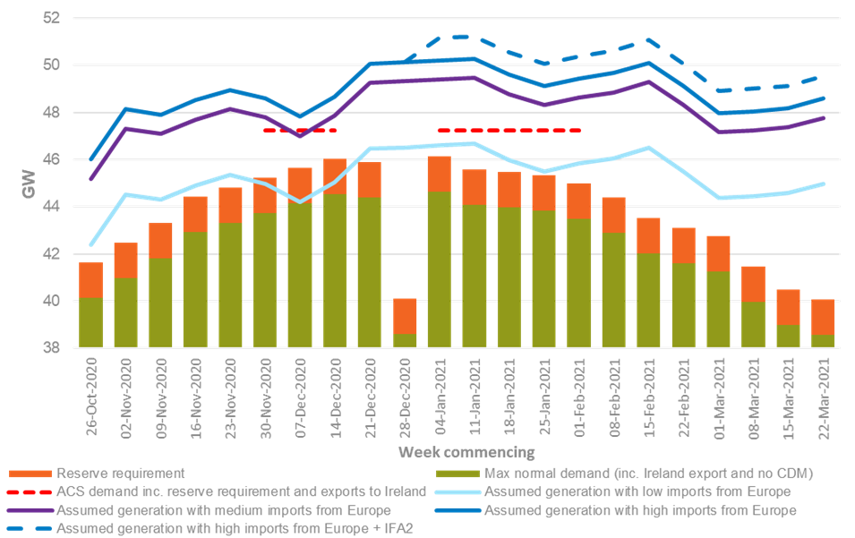

Figure 2
Figure 2 - Week-by-week actual view of operational surplus for winter 2020/21

The data below is the data that has been added to Figure 1 (see Figure 1 for the other data):

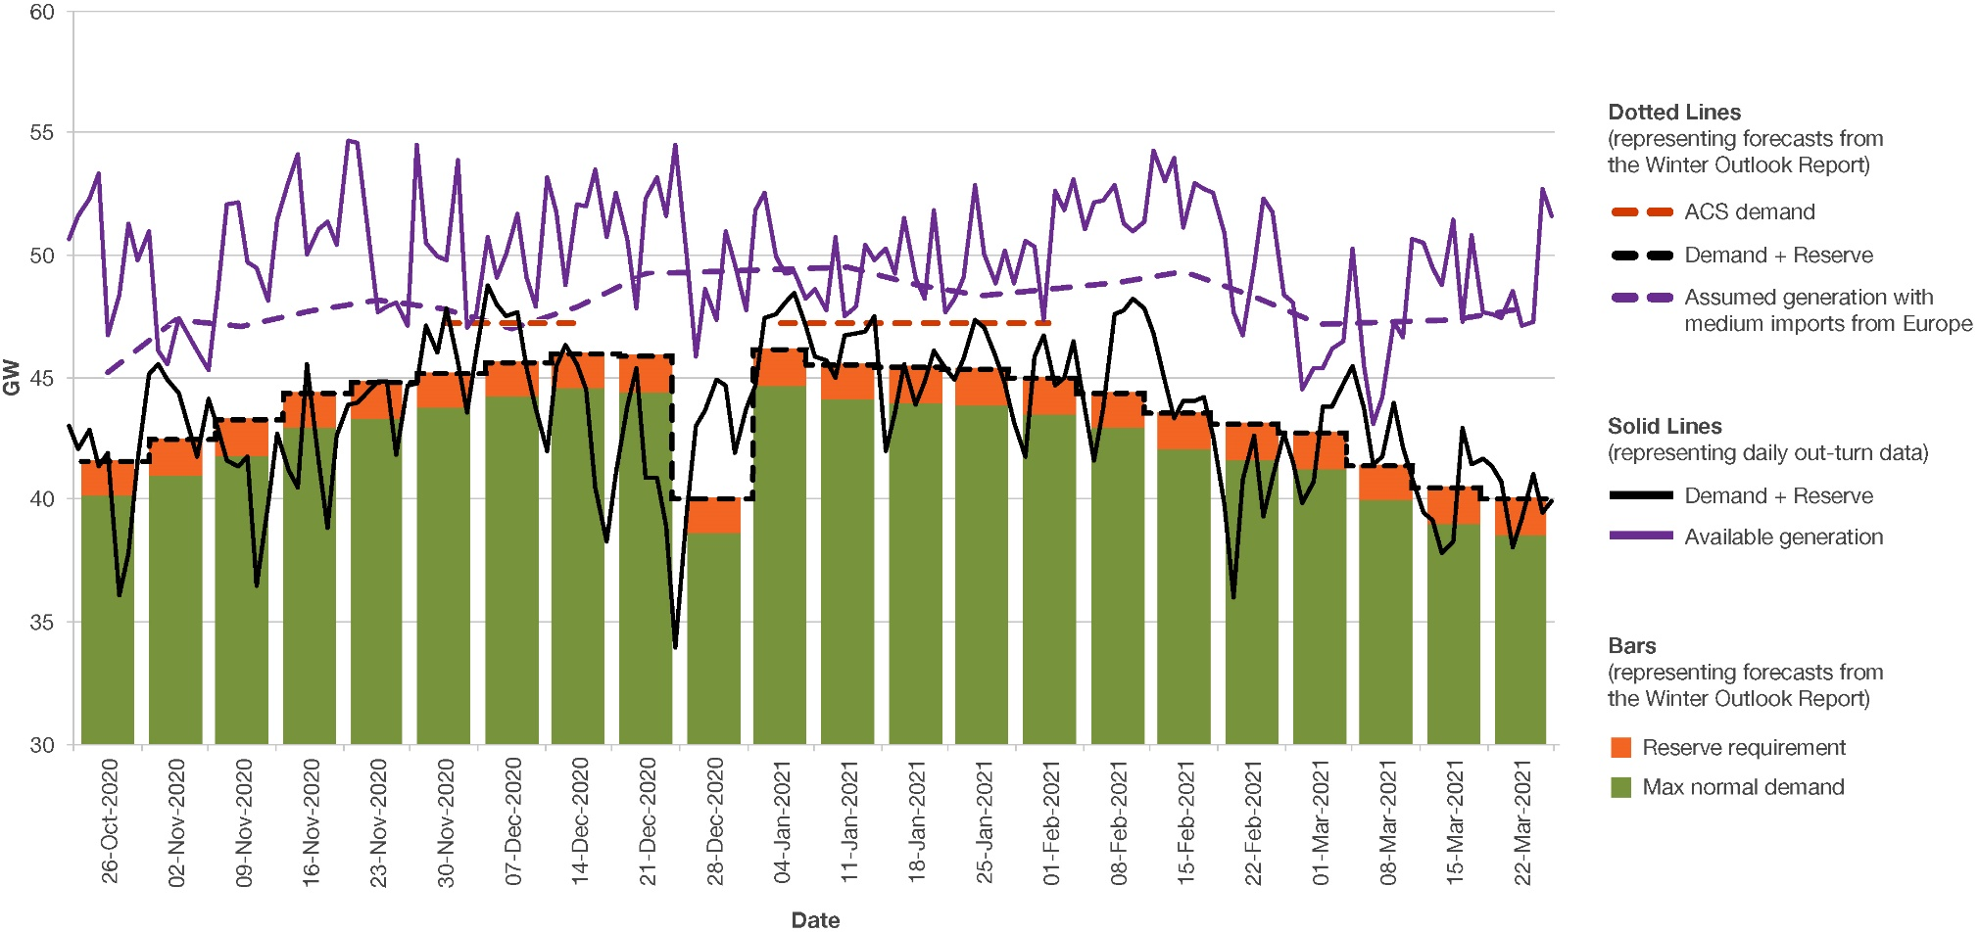
cdate | Available Generation | Demand | Reserve | Demand & Reserve
2020-10-26 | 50628.502 | 41626 | 1400 | 43026
2020-10-27 | 51587.798 | 40688 | 1400 | 42088
2020-10-28 | 52282.356 | 41500 | 1400 | 42900
2020-10-29 | 53343.96 | 39949 | 1400 | 41349
2020-10-30 | 46707.014 | 40548 | 1400 | 41948
2020-10-31 | 48351.518 | 34736 | 1400 | 36136
2020-11-01 | 51243.232 | 36415 | 1400 | 37815
2020-11-02 | 49804.2 | 40197 | 1400 | 41597
2020-11-03 | 51000.208 | 43774 | 1400 | 45174
2020-11-04 | 46131.796 | 44132 | 1400 | 45532
2020-11-05 | 45580.394 | 43523 | 1400 | 44923
2020-11-06 | 47413.072 | 42929 | 1400 | 44329
2020-11-08 | 46068.656 | 40393 | 1400 | 41793
2020-11-09 | 45310.564 | 42771 | 1400 | 44171
2020-11-10 | 48487.348 | 41540 | 1400 | 42940
2020-11-11 | 52056.266 | 40257 | 1400 | 41657
2020-11-12 | 52113.374 | 40011 | 1400 | 41411
2020-11-13 | 49723.978 | 40412 | 1400 | 41812
2020-11-14 | 49471.8 | 35105 | 1400 | 36505
2020-11-15 | 48161.18 | 38406 | 1400 | 39806
2020-11-16 | 51457.116 | 41291 | 1400 | 42691
2020-11-17 | 52975.58 | 39828 | 1400 | 41228
2020-11-18 | 54135.634 | 39088 | 1400 | 40488
2020-11-19 | 50026.118 | 44132 | 1400 | 45532
2020-11-20 | 51018.804 | 40303 | 1400 | 41703
2020-11-21 | 51382.836 | 37499 | 1400 | 38899
2020-11-22 | 50441.23 | 41245 | 1400 | 42645
2020-11-23 | 54650.502 | 42490 | 1400 | 43890
2020-11-24 | 54586.434 | 42542 | 1400 | 43942
2020-11-26 | 47638.556 | 43469 | 1400 | 44869
2020-11-27 | 47920.182 | 43420 | 1400 | 44820
2020-11-28 | 48025.9 | 40440 | 1400 | 41840
2020-11-29 | 47086.96 | 43260 | 1400 | 44660
2020-11-30 | 54538.67 | 43377 | 1400 | 44777
2020-12-01 | 50494.814 | 45709 | 1400 | 47109
2020-12-02 | 49969.616 | 44611 | 1400 | 46011
2020-12-03 | 49750.132 | 46452 | 1400 | 47852
2020-12-04 | 53867.684 | 44207 | 1400 | 45607
2020-12-05 | 47034.976 | 42148 | 1400 | 43548
2020-12-06 | 47566.752 | 44591 | 1400 | 45991
2020-12-07 | 50769.294 | 47398 | 1400 | 48798
2020-12-08 | 49115.964 | 46588 | 1400 | 47988
2020-12-09 | 50022.252 | 46129 | 1400 | 47529
2020-12-10 | 51678.734 | 46303 | 1400 | 47703
...

Figure 3
Figure 3 - Week-by-week view of generation capacity shortfall over the winter

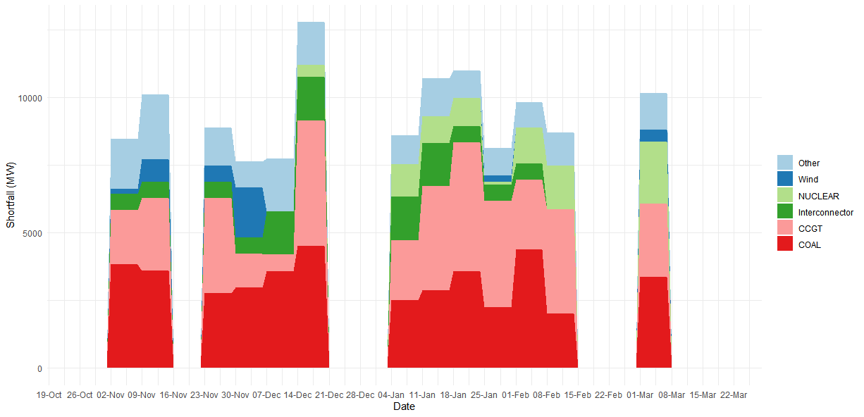
Week Beginning | Fuel | Shortfall | Surplus
2020-10-26 | CCGT | 0 | 4759.014
2020-10-26 | COAL | 0 | 4759.014
2020-10-26 | Interconnector | 0 | 4759.014
2020-10-26 | NUCLEAR | 0 | 4759.014
2020-10-26 | Other | 0 | 4759.014
2020-10-26 | Wind | 0 | 4759.014
2020-11-02 | CCGT | 2001.67 | 599.796
2020-11-02 | COAL | 3838.286 | 599.796
2020-11-02 | Interconnector | 600 | 599.796
2020-11-02 | NUCLEAR | 0 | 599.796
2020-11-02 | Other | 1848.358 | 599.796
2020-11-02 | Wind | 189 | 599.796
2020-11-09 | CCGT | 2675.264 | 1139.564
2020-11-09 | COAL | 3614.87 | 1139.564
2020-11-09 | Interconnector | 600 | 1139.564
2020-11-09 | NUCLEAR | 0 | 1139.564
2020-11-09 | Other | 2389.216 | 1139.564
2020-11-09 | Wind | 822 | 1139.564
2020-11-16 | CCGT | 0 | 4494.118
2020-11-16 | COAL | 0 | 4494.118
2020-11-16 | Interconnector | 0 | 4494.118
2020-11-16 | NUCLEAR | 0 | 4494.118
2020-11-16 | Other | 0 | 4494.118
2020-11-16 | Wind | 0 | 4494.118
2020-11-23 | CCGT | 3516.54 | 2426.96
2020-11-23 | COAL | 2769.666 | 2426.96
2020-11-23 | Interconnector | 600 | 2426.96
2020-11-23 | NUCLEAR | 0 | 2426.96
2020-11-23 | Other | 1388.586 | 2426.96
2020-11-23 | Wind | 606 | 2426.96
...

Figure 4
...
 | Availability WOR | Availability Actual
10/26/2020 | 39977 | 38986.502
10/27/2020 | 39977 | 38895.798
10/28/2020 | 39977 | 39927.356
10/29/2020 | 39977 | 39484.96
10/30/2020 | 39977 | 39772.014
10/31/2020 | 39977 | 36637.518
11/1/2020 | 39977 | 38524.232
11/2/2020 | 42112 | 38477.2
11/3/2020 | 42112 | 40432.208
11/4/2020 | 42112 | 39887.796
11/5/2020 | 42112 | 39602.394
11/6/2020 | 42112 | 40092.072
11/7/2020 | 42112 | 40418.984
11/8/2020 | 42112 | 38943.656
11/9/2020 | 41883 | 39638.564
11/10/2020 | 41883 | 39635.348
11/11/2020 | 41883 | 38943.266
11/12/2020 | 41883 | 39131.374
11/13/2020 | 41883 | 39354.978
11/14/2020 | 41883 | 35094.8
11/15/2020 | 41883 | 36662.18
11/16/2020 | 42489 | 39499.116
11/17/2020 | 42489 | 39703.58
11/18/2020 | 42489 | 39915.634
11/19/2020 | 42489 | 40823.118
11/20/2020 | 42489 | 39573.804
11/21/2020 | 42489 | 38813.836
11/22/2020 | 42489 | 40376.23
11/23/2020 | 42916 | 41937.502
11/24/2020 | 42916 | 42162.434
11/25/2020 | 42916 | 42287.914
11/26/2020 | 42916 | 42930.556
11/27/2020 | 42916 | 42677.182
11/28/2020 | 42916 | 42195.9
11/29/2020 | 42916 | 41185.96
11/30/2020 | 42556 | 41694.67
12/1/2020 | 42556 | 41930.814
12/2/2020 | 42556 | 42788.616
12/3/2020 | 42556 | 40914.132
12/4/2020 | 42556 | 40616.684
12/5/2020 | 42556 | 40216.976
12/6/2020 | 42556 | 42895.752
12/7/2020 | 41779 | 42992.294
12/8/2020 | 41779 | 41690.964
12/9/2020 | 41779 | 42909.252
12/10/2020 | 41779 | 42632.734
12/11/2020 | 41779 | 42599.37
12/12/2020 | 41779 | 41829.716
12/13/2020 | 41779 | 39542.532
12/14/2020 | 42624 | 39873.274
...
SETT_PERIOD | MEL | MW | MEL_DA | cdate | Total
36 | 38986.502 | 26852.916 | 39915.598 | 2020-10-26 | 39977
36 | 38895.798 | 25090.902 | 40237.078 | 2020-10-27 | 39977
36 | 39927.356 | 25886.414 | 40301.034 | 2020-10-28 | 39977
35 | 39484.96 | 22864.102 | 40796.468 | 2020-10-29 | 39977
36 | 39772.014 | 32307.916 | 40930.926 | 2020-10-30 | 39977
36 | 36637.518 | 19612.792 | 39246.08 | 2020-10-31 | 39977
35 | 38524.232 | 20414.228 | 38270.968 | 2020-11-01 | 39977
36 | 38477.2 | 25444.514 | 40928.204 | 2020-11-02 | 42112
36 | 40432.208 | 31391.168 | 41586.564 | 2020-11-03 | 42112
36 | 39887.796 | 36542.092 | 40632.676 | 2020-11-04 | 42112
36 | 39602.394 | 36956.836 | 40413.564 | 2020-11-05 | 42112
35 | 40092.072 | 33181.492 | 40556.696 | 2020-11-06 | 42112
36 | 40418.984 | 32144.1 | 41819.532 | 2020-11-07 | 42112
35 | 38943.656 | 32668.99 | 40363.458 | 2020-11-08 | 42112
35 | 39638.564 | 35690.73 | 40809.984 | 2020-11-09 | 41883
36 | 39635.348 | 30655.034 | 40979.08 | 2020-11-10 | 41883
35 | 38943.266 | 23755.474 | 41103.5 | 2020-11-11 | 41883
36 | 39131.374 | 24514.978 | 41645.296 | 2020-11-12 | 41883
36 | 39354.978 | 27745.034 | 41122.08 | 2020-11-13 | 41883
35 | 35094.8 | 17575.416 | 36914.52 | 2020-11-14 | 41883
35 | 36662.18 | 23847.052 | 36632.064 | 2020-11-15 | 41883
35 | 39499.116 | 26133.936 | 41074.016 | 2020-11-16 | 42489
35 | 39703.58 | 23374.408 | 41279.984 | 2020-11-17 | 42489
35 | 39915.634 | 21937.892 | 41745.066 | 2020-11-18 | 42489
...

Figure 5
Figure 5 - Interconnector scenarios in the Winter Outlook Report and actual availability during peak times
 | Actual | High | Base
10/26/2020 | 4000 | 4600 | 3600
10/27/2020 | 4000 | 4600 | 3600
10/28/2020 | 4000 | 4600 | 3600
10/29/2020 | 4000 | 4600 | 3600
10/30/2020 | 4000 | 4600 | 3600
10/31/2020 | 4000 | 4600 | 3600
11/1/2020 | 4000 | 4600 | 3600
11/2/2020 | 4000 | 4600 | 3600
11/3/2020 | 4000 | 4600 | 3600
11/4/2020 | 4000 | 4600 | 3600
11/5/2020 | 4000 | 4600 | 3600
11/6/2020 | 4000 | 4600 | 3600
11/7/2020 | 4000 | 4600 | 3600
11/8/2020 | 4000 | 4600 | 3600
11/9/2020 | 4000 | 4600 | 3600
11/10/2020 | 4000 | 4600 | 3600
11/11/2020 | 4000 | 4600 | 3600
11/12/2020 | 4000 | 4600 | 3600
11/13/2020 | 4000 | 4600 | 3600
11/14/2020 | 4000 | 4600 | 3600
11/15/2020 | 4000 | 4600 | 3600
11/16/2020 | 4000 | 4600 | 3600
11/17/2020 | 4000 | 4600 | 3600
11/18/2020 | 4000 | 4600 | 3600
11/19/2020 | 4000 | 4600 | 3600
11/20/2020 | 4000 | 4600 | 3600
11/21/2020 | 4000 | 4600 | 3600
11/22/2020 | 4000 | 4600 | 3600
11/23/2020 | 4000 | 4600 | 3600
11/24/2020 | 4000 | 4600 | 3600
11/25/2020 | 4000 | 4600 | 3600
11/26/2020 | 4000 | 4600 | 3600
11/27/2020 | 4000 | 4600 | 3600
11/28/2020 | 4000 | 4600 | 3600
11/29/2020 | 4000 | 4600 | 3600
11/30/2020 | 4000 | 4600 | 3600
12/1/2020 | 4000 | 4600 | 3600
12/2/2020 | 4000 | 4600 | 3600
12/3/2020 | 4000 | 4600 | 3600
12/4/2020 | 4000 | 4600 | 3600
12/5/2020 | 4000 | 4600 | 3600
12/6/2020 | 4000 | 4600 | 3600
12/7/2020 | 4000 | 4600 | 3600
12/8/2020 | 3000 | 4600 | 3600
12/9/2020 | 3000 | 4600 | 3600
12/10/2020 | 3000 | 4600 | 3600
12/11/2020 | 3000 | 4600 | 3600
12/12/2020 | 3000 | 4600 | 3600
12/13/2020 | 3000 | 4600 | 3600
12/14/2020 | 3000 | 4600 | 3600
...
cdate | Actual | High | Base
2020-10-26 | 4000 | 4600 | 3600
2020-10-27 | 4000 | 4600 | 3600
2020-10-28 | 4000 | 4600 | 3600
2020-10-29 | 4000 | 4600 | 3600
2020-10-30 | 4000 | 4600 | 3600
2020-10-31 | 4000 | 4600 | 3600
2020-11-01 | 4000 | 4600 | 3600
2020-11-02 | 4000 | 4600 | 3600
2020-11-03 | 4000 | 4600 | 3600
2020-11-04 | 4000 | 4600 | 3600
2020-11-05 | 4000 | 4600 | 3600
2020-11-06 | 4000 | 4600 | 3600
2020-11-07 | 4000 | 4600 | 3600
2020-11-08 | 4000 | 4600 | 3600
2020-11-09 | 4000 | 4600 | 3600
2020-11-10 | 4000 | 4600 | 3600
2020-11-11 | 4000 | 4600 | 3600
2020-11-12 | 4000 | 4600 | 3600
2020-11-13 | 4000 | 4600 | 3600
2020-11-14 | 4000 | 4600 | 3600
2020-11-15 | 4000 | 4600 | 3600
2020-11-16 | 4000 | 4600 | 3600
2020-11-17 | 4000 | 4600 | 3600
2020-11-18 | 4000 | 4600 | 3600
...

Figure 6
...
Normal forecast | Normal out-turn | Weather corrected peak TSD (GW) | Actual peak TSD (GW) | Actual peak TSD (MW)
 | 37600 | 37.6 | 37.1 | 37124
40124 | 41600 | 41.6 | 41.6 | 41626
40979 | 42800 | 42.8 | 44.1 | 44132
41826 | 43200 | 43.2 | 42.8 | 42771
42929 | 44000 | 44 | 44.1 | 44132
43329 | 44600 | 44.6 | 44.3 | 44337
43740 | 44500 | 44.5 | 46.5 | 46452
44174 | 45700 | 45.7 | 47.4 | 47398
44547 | 46400 | 46.4 | 44.9 | 44943
44419 | 43600 | 43.6 | 44.0 | 43964
38604 | 41500 | 41.5 | 43.5 | 43520
44663 | 44800 | 44.8 | 47.0 | 47035
44085 | 45200 | 45.2 | 46.1 | 46089
43972 | 44600 | 44.6 | 44.7 | 44686
43836 | 44500 | 44.5 | 45.9 | 45946
43494 | 44200 | 44.2 | 45.3 | 45302
42902 | 44500 | 44.5 | 46.8 | 46781
42033 | 43200 | 43.2 | 42.8 | 42810
41607 | 42300 | 42.3 | 41.3 | 41290
41270 | 41700 | 41.7 | 44.0 | 44034
39954 | 41000 | 41 | 42.6 | 42601
39005 | 40100 | 40.1 | 41.6 | 41566
38583 | 39100 | 39.1 | 39.7 | 39691

Figure 7
...
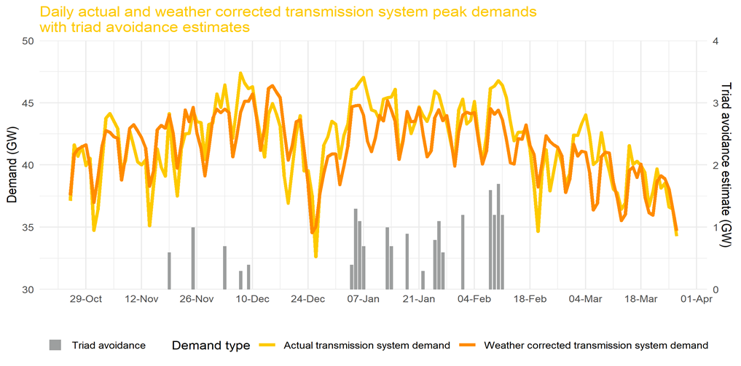
DAYWK | Month | Daily weather corrected peak TSD (MW) | Daily actual peak TSD (MW) | Max daily Triad estimate (MW) | Max daily Triad estimate (GW)
SUN | 10 | 37552 | 37124 | 0 | 0
MON | 10 | 40877 | 41626 | 0 | 0
TUE | 10 | 41271 | 40688 | 0 | 0
WED | 10 | 41455 | 41500 | 0 | 0
THU | 10 | 41632 | 39949 | 0 | 0
FRI | 10 | 39896 | 40548 | 0 | 0
SAT | 10 | 36972 | 34736 | 0 | 0
SUN | 11 | 39027 | 36415 | 0 | 0
MON | 11 | 41504 | 40197 | 0 | 0
TUE | 11 | 42760 | 43774 | 0 | 0
WED | 11 | 42628 | 44132 | 0 | 0
THU | 11 | 42266 | 43523 | 0 | 0
FRI | 11 | 42152 | 42929 | 0 | 0
SAT | 11 | 38789 | 39425 | 0 | 0
SUN | 11 | 40743 | 40393 | 0 | 0
MON | 11 | 42941 | 42771 | 0 | 0
TUE | 11 | 43249 | 41540 | 0 | 0
WED | 11 | 42754 | 40257 | 0 | 0
THU | 11 | 42185 | 40011 | 0 | 0
FRI | 11 | 41375 | 40412 | 0 | 0
SAT | 11 | 38282 | 35105 | 0 | 0
SUN | 11 | 39535 | 38406 | 0 | 0
...

Figure 8
Figure 8 - Generation portfolio availability

 | Daily Available Generation Real Time | Assumed generation with high imports from Europe
10/26/2020 | 50628.50 | 46003.44
10/27/2020 | 51587.80 | 46003.44
10/28/2020 | 52282.36 | 46003.44
10/29/2020 | 53343.96 | 46003.44
10/30/2020 | 46707.01 | 46003.44
10/31/2020 | 48351.52 | 46003.44
11/1/2020 | 51243.23 | 46003.44
11/2/2020 | 49804.20 | 48133.16
11/3/2020 | 51000.21 | 48133.16
11/4/2020 | 46131.80 | 48133.16
11/5/2020 | 45580.39 | 48133.16
11/6/2020 | 47413.07 | 48133.16
11/8/2020 | 46068.66 | 48133.16
11/9/2020 | 45310.56 | 47909.07
11/10/2020 | 48487.35 | 47909.07
11/11/2020 | 52056.27 | 47909.07
11/12/2020 | 52113.37 | 47909.07
11/13/2020 | 49723.98 | 47909.07
11/14/2020 | 49471.80 | 47909.07
11/15/2020 | 48161.18 | 47909.07
11/16/2020 | 51457.12 | 48515.24
11/17/2020 | 52975.58 | 48515.24
11/18/2020 | 54135.63 | 48515.24
11/19/2020 | 50026.12 | 48515.24
11/20/2020 | 51018.80 | 48515.24
11/21/2020 | 51382.84 | 48515.24
11/22/2020 | 50441.23 | 48515.24
11/23/2020 | 54650.50 | 48953.67
11/24/2020 | 54586.43 | 48953.67
11/26/2020 | 47638.56 | 48953.67
11/27/2020 | 47920.18 | 48953.67
11/28/2020 | 48025.90 | 48953.67
11/29/2020 | 47086.96 | 48953.67
11/30/2020 | 54538.67 | 48593.74
12/1/2020 | 50494.81 | 48593.74
12/2/2020 | 49969.62 | 48593.74
12/3/2020 | 49750.13 | 48593.74
12/4/2020 | 53867.68 | 48593.74
12/5/2020 | 47034.98 | 48593.74
12/6/2020 | 47566.75 | 48593.74
12/7/2020 | 50769.29 | 47816.72
12/8/2020 | 49115.96 | 47816.72
12/9/2020 | 50022.25 | 47816.72
12/10/2020 | 51678.73 | 47816.72
12/11/2020 | 49104.37 | 47816.72
12/12/2020 | 47891.72 | 47816.72
12/13/2020 | 53148.53 | 47816.72
12/14/2020 | 51742.27 | 48661.63
12/15/2020 | 48750.32 | 48661.63
12/16/2020 | 52030.90 | 48661.63
...
cdate | Daily Available Generation Real Time | Assumed generation with high imports from Europe
2020-10-26 | 50628.50 | 46003.44
2020-10-27 | 51587.80 | 46003.44
2020-10-28 | 52282.36 | 46003.44
2020-10-29 | 53343.96 | 46003.44
2020-10-30 | 46707.01 | 46003.44
2020-10-31 | 48351.52 | 46003.44
2020-11-01 | 51243.23 | 46003.44
2020-11-02 | 49804.20 | 48133.16
2020-11-03 | 51000.21 | 48133.16
2020-11-04 | 46131.80 | 48133.16
2020-11-05 | 45580.39 | 48133.16
2020-11-06 | 47413.07 | 48133.16
2020-11-08 | 46068.66 | 48133.16
2020-11-09 | 45310.56 | 47909.07
2020-11-10 | 48487.35 | 47909.07
2020-11-11 | 52056.27 | 47909.07
2020-11-12 | 52113.37 | 47909.07
2020-11-13 | 49723.98 | 47909.07
2020-11-14 | 49471.80 | 47909.07
2020-11-15 | 48161.18 | 47909.07
2020-11-16 | 51457.12 | 48515.24
2020-11-17 | 52975.58 | 48515.24
2020-11-18 | 54135.63 | 48515.24
2020-11-19 | 50026.12 | 48515.24
2020-11-20 | 51018.80 | 48515.24
2020-11-21 | 51382.84 | 48515.24
2020-11-22 | 50441.23 | 48515.24
2020-11-23 | 54650.50 | 48953.67
2020-11-24 | 54586.43 | 48953.67
2020-11-26 | 47638.56 | 48953.67
2020-11-27 | 47920.18 | 48953.67
2020-11-28 | 48025.90 | 48953.67
2020-11-29 | 47086.96 | 48953.67
...

Figure 9
Figure 9 - Percentage change in daily average demand relative to pre-COVID forecast (March 2020 to March 2021)

Date | Period | Suppression
2020-03-16T00:00:00Z | Night | -0.0038986001103
2020-03-16T00:00:00Z | Morning | -0.4883477151
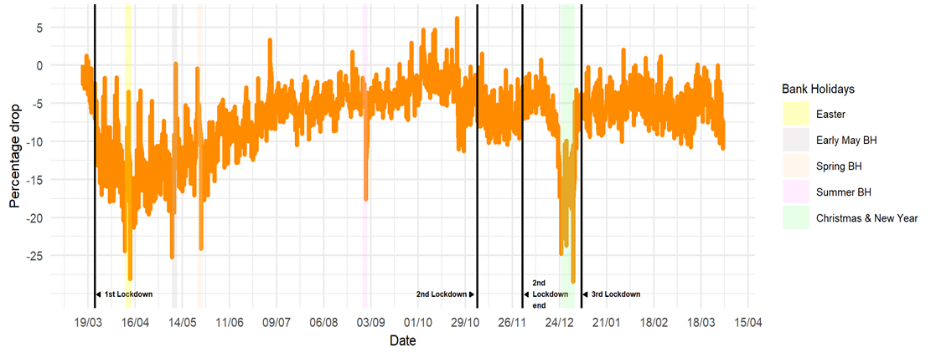
2020-03-16T00:00:00Z | Afternoon | -1.1937052997
2020-03-16T00:00:00Z | Peak | -1.0939380964
2020-03-16T00:00:00Z | Evening | -2.4877064158
2020-03-16T00:00:00Z | Whole day | -0.84241957837
2020-03-17T00:00:00Z | Night | -1.9471298136
2020-03-17T00:00:00Z | Morning | -0.9591120097
2020-03-17T00:00:00Z | Afternoon | -1.5188421199
2020-03-17T00:00:00Z | Peak | -1.8468904163
2020-03-17T00:00:00Z | Evening | -3.0356353202
2020-03-17T00:00:00Z | Whole day | -1.7797005608
2020-03-18T00:00:00Z | Night | -2.1952581826
2020-03-18T00:00:00Z | Morning | -0.71835864
2020-03-18T00:00:00Z | Afternoon | 1.232484368
2020-03-18T00:00:00Z | Peak | -1.6285076393
2020-03-18T00:00:00Z | Evening | -0.64857858379
2020-03-18T00:00:00Z | Whole day | -1.0061383096
2020-03-19T00:00:00Z | Night | 0.53548454725
2020-03-19T00:00:00Z | Morning | -3.8289904098
2020-03-19T00:00:00Z | Afternoon | -2.2168243924
2020-03-19T00:00:00Z | Peak | -2.7947307184
2020-03-19T00:00:00Z | Evening | -3.6053941876
2020-03-19T00:00:00Z | Whole day | -2.1159266055
2020-03-20T00:00:00Z | Night | -2.9775934657
2020-03-20T00:00:00Z | Morning | -4.2876405092
2020-03-20T00:00:00Z | Afternoon | -3.7773691209
2020-03-20T00:00:00Z | Peak | -3.4809892394
...

Figure 10
Figure 10 - Daily actual and seasonal normal temperature for winter 2019/2020 and 2020/21 alongside the date of the three triads

Date | Actual Temperature at 17:00GMT (°C) | Seasonal normal temperature (30 yrs average of observed temp) at 17:00GMT (°C) | Date | Time Half hour ending | National Demand (MW) | Estimated* triad avoidance (HH corresponding with the peak) (MW)
2020-10-25 | 11.7 | 12.4 | 2020-12-08 | 1730 | 45986 | 0
2020-10-26 | 11.6 | 12.2 | 2021-01-07 | 1730 | 46433 | 600
2020-10-27 | 11.5 | 12.1 | 2021-02-10 | 1800 | 46179 | 1700
2020-10-28 | 10.8 | 11.9
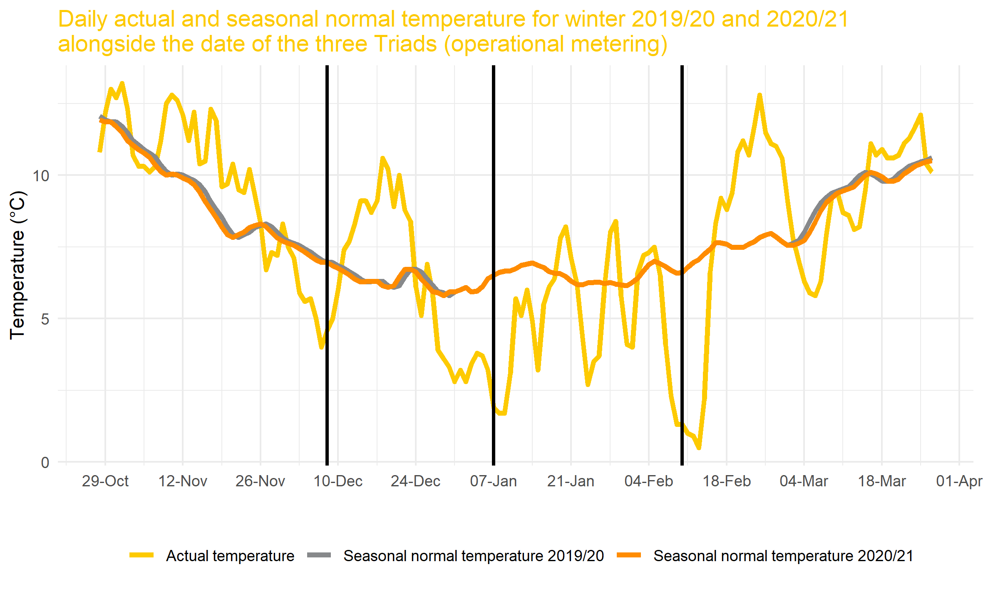
2020-10-29 | 12.2 | 11.9
2020-10-30 | 13.0 | 11.9
2020-10-31 | 12.7 | 11.7
2020-11-01 | 13.2 | 11.5
2020-11-02 | 12.3 | 11.2
2020-11-03 | 10.7 | 11.0
2020-11-04 | 10.3 | 10.9
2020-11-05 | 10.3 | 10.8
2020-11-06 | 10.1 | 10.6
2020-11-07 | 10.3 | 10.4
2020-11-08 | 11.2 | 10.1
2020-11-09 | 12.5 | 10.0
2020-11-10 | 12.8 | 10.0
2020-11-11 | 12.6 | 10.0
2020-11-12 | 12.1 | 9.9
2020-11-13 | 11.2 | 9.8
2020-11-14 | 12.2 | 9.7
2020-11-15 | 10.4 | 9.4
2020-11-16 | 10.5 | 9.1
2020-11-17 | 12.3 | 8.8
2020-11-18 | 11.9 | 8.5
2020-11-19 | 9.6 | 8.2
2020-11-20 | 9.7 | 7.9
2020-11-21 | 10.4 | 7.8
2020-11-22 | 9.5 | 7.9
2020-11-23 | 9.4 | 8.0
2020-11-24 | 10.2 | 8.2
...

Figure 11
Figure 11 - Percentage energy provided by each fuel type over Winter 2019/20 and Winter 2020/21 (transmission connected)
 | 2019/20 | 2020/21
CCGT | 0.35685313093 | 0.39113971469
Wind | 0.23145472777 | 0.2180270139
Nuclear | 0.18191880746 | 0.16838013048
Interconnector imports | 0.090729564632 | 0.0957372266
Biomass | 0.070352362412 | 0.070659117112
Coal | 0.040177851575 | 0.0248571198
Hydro | 0.017873652098 | 0.016752001048
Pumped storage | 0.0059729349098 | 0.0070150431444
Other | 0.0043641238645 | 0.0060920664888
OCGT | 0.00030284433973 | 0.0013397636957
Fuel Type | 2019/20 |  | 2020/21
 | % | MWh | % | MWh
CCGT | 36% | 44147629 | 39% | 47246041.5
Wind | 23% | 28634126 | 22% | 26335636.5
Nuclear | 18% | 22505853 | 17% | 20338754.5
Interconnector imports | 9% | 11224492 | 10% | 11564167
Biomass | 7% | 8703553 | 7% | 8534964.5
Coal | 4% | 4970552 | 2% | 3002509
Hydro | 2% | 2211216 | 2% | 2023486
Pumped storage | 1% | 738934 | 1% | 847352
Other | 0% | 539902 | 1% | 735865
OCGT | 0% | 37466 | 0% | 161831
Total | 100% | 123713721 | 100% | 120790607

Figure 12
Figure 12 - GB and European baseload prices for winter 2020/21
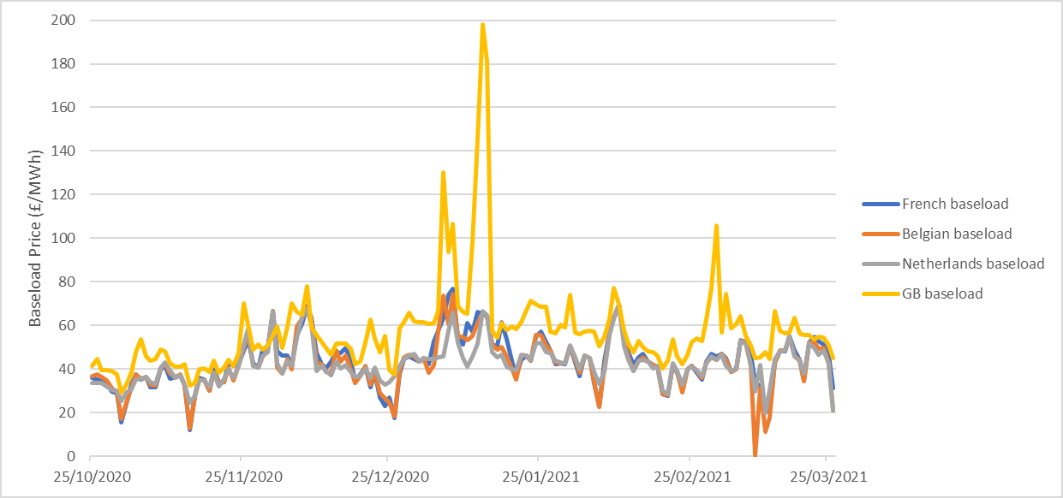

Figure 13
...
 | IFA flow at peak times | Britned flow at peak times | Nemo flow at peak times | IFA2 flow at peak times
44129 | 2006 | 994 | 680 | 0
44130 | 2006 | 994 | 1020 | 0
44131 | 2006 | 978 | 1020 | 0
44132 | 2006 | 994 | 1020 | 0
44133 | 2004 | 996 | 1020 | 0
44134 | 2004 | 982 | 1020 | 0
44135 | 2004 | 966 | 1020 | 0
44136 | 2004 | 984 | 1000 | 0
44137 | 2004 | 994 | 1020 | 0
44138 | 2004 | 994 | 1020 | 0
44139 | 2010 | 994 | 1020 | 0
44140 | 2004 | 736 | 1020 | 0
44141 | 2004 | 992 | 1020 | 0
44142 | 2006 | 1056 | 1020 | 0
44143 | 2006 | 1056 | 1020 | 0
44144 | 2006 | 1056 | 1020 | 0
44145 | 2006 | 1056 | 984 | 0
44146 | 2004 | 1042 | 1020 | 0
44147 | 2006 | 1056 | 1018 | 0
44148 | 2006 | 1056 | 1020 | 0
44149 | 2004 | 998 | 1000 | 0
44150 | 2004 | 1052 | 1020 | 0
44151 | 2004 | 770 | 1018 | 0
44152 | 2004 | 1056 | 1020 | 0
44153 | 2004 | 1006 | 1018 | 0
44154 | 2004 | 1058 | 1020 | 0
44155 | 1476 | 328 | 874 | 0
44156 | 2004 | 978 | 1020 | 0
44157 | 2004 | 1054 | 1018 | 0
44158 | 2000 | 1052 | 742 | 0
44159 | 2004 | 486 | 986 | 0
44160 | 2000 | 1056 | 1018 | 0
44161 | 2000 | 546 | 906 | 0
44162 | 2004 | 1038 | 1020 | 0
44163 | 2004 | 1058 | 1020 | 0
44164 | 2004 | 1058 | 1020 | 0
44165 | 1534 | 1052 | 1012 | 0
44166 | 1706 | 844 | 784 | 0
44167 | -2 | 238 | 334 | 0
44168 | 2002 | 1058 | 1020 | 0
44169 | 1582 | 948 | 970 | 0
44170 | 2004 | 1058 | 1020 | 0
44171 | 2004 | 1054 | 1020 | 0
44172 | 2006 | 748 | 310 | 0
44173 | 2006 | 0 | 922 | 0
44174 | 1814 | 0 | 1020 | 0
44175 | -442 | 0 | -494 | 0
44176 | 2004 | 0 | 1020 | 0
44177 | 2002 | 0 | 1020 | 0
44178 | 2002 | 0 | 1020 | 0
...
IFA flow at peak times | Britned flow at peak times | Nemo flow at peak times | IFA2 flow at peak times | Net flow from Continental Europe
2006 | 994 | 680 | 0 | 3680
2006 | 994 | 1020 | 0 | 4020
2006 | 978 | 1020 | 0 | 4004
2006 | 994 | 1020 | 0 | 4020
2004 | 996 | 1020 | 0 | 4020
2004 | 982 | 1020 | 0 | 4006
2004 | 966 | 1020 | 0 | 3990
2004 | 984 | 1000 | 0 | 3988
2004 | 994 | 1020 | 0 | 4018
2004 | 994 | 1020 | 0 | 4018
2010 | 994 | 1020 | 0 | 4024
2004 | 736 | 1020 | 0 | 3760
2004 | 992 | 1020 | 0 | 4016
2006 | 1056 | 1020 | 0 | 4082
2006 | 1056 | 1020 | 0 | 4082
2006 | 1056 | 1020 | 0 | 4082
2006 | 1056 | 984 | 0 | 4046
2004 | 1042 | 1020 | 0 | 4066
2006 | 1056 | 1018 | 0 | 4080
2006 | 1056 | 1020 | 0 | 4082
2004 | 998 | 1000 | 0 | 4002
2004 | 1052 | 1020 | 0 | 4076
2004 | 770 | 1018 | 0 | 3792
2004 | 1056 | 1020 | 0 | 4080
2004 | 1006 | 1018 | 0 | 4028
2004 | 1058 | 1020 | 0 | 4082
1476 | 328 | 874 | 0 | 2678
2004 | 978 | 1020 | 0 | 4002
2004 | 1054 | 1018 | 0 | 4076
2000 | 1052 | 742 | 0 | 3794
2004 | 486 | 986 | 0 | 3476
2000 | 1056 | 1018 | 0 | 4074
2000 | 546 | 906 | 0 | 3452
2004 | 1038 | 1020 | 0 | 4062
2004 | 1058 | 1020 | 0 | 4082
2004 | 1058 | 1020 | 0 | 4082
1534 | 1052 | 1012 | 0 | 3598
...

Figure 14
...
 | Moyle flow at peak times | EWIC flow at peak times
44129 | -54 | 504
44130 | -454 | -508
44131 | 78 | 310
44132 | -208 | 438
44133 | 98 | 504
44134 | -392 | -536
44135 | -76 | 288
44136 | -334 | 256
44137 | -274 | 74
44138 | -434 | -512
44139 | -380 | -388
44140 | -282 | -304
44141 | -454 | -82
44142 | -156 | 16
44143 | -126 | 172
44144 | -456 | -536
44145 | 98 | 504
44146 | -392 | -326
44147 | 82 | 504
44148 | -240 | 0
44149 | 88 | 504
44150 | 104 | 302
44151 | -20 | 112
44152 | 86 | 42
44153 | 82 | 504
44154 | -456 | -536
44155 | 110 | 338
44156 | -216 | -106
44157 | -278 | -214
44158 | 86 | 504
44159 | -456 | -536
44160 | -372 | -358
44161 | -36 | 10
44162 | 12 | -382
44163 | -194 | -72
44164 | -406 | -466
44165 | -402 | -376
44166 | -334 | -426
44167 | 308 | 504
44168 | -434 | -516
44169 | 268 | 504
44170 | 88 | 74
44171 | -176 | 0
44172 | -438 | -480
44173 | 234 | 434
44174 | 170 | 462
44175 | 198 | 420
44176 | 142 | 368
44177 | -456 | -536
44178 | 284 | 504
...
GDATE | GTIME | CTIME | Moyle flow at peak times | EWIC flow at peak times | Net flow from Ireland
20201025 | 1800 | 1800 | -54 | 504 | 450
20201026 | 1800 | 1800 | -454 | -508 | -962
20201027 | 1800 | 1800 | 78 | 310 | 388
20201028 | 1800 | 1800 | -208 | 438 | 230
20201029 | 1730 | 1730 | 98 | 504 | 602
20201030 | 1800 | 1800 | -392 | -536 | -928
20201031 | 1800 | 1800 | -76 | 288 | 212
20201101 | 1730 | 1730 | -334 | 256 | -78
20201102 | 1800 | 1800 | -274 | 74 | -200
20201103 | 1730 | 1730 | -434 | -512 | -946
20201104 | 1800 | 1800 | -380 | -388 | -768
20201105 | 1800 | 1800 | -282 | -304 | -586
20201106 | 1730 | 1730 | -454 | -82 | -536
20201107 | 1800 | 1800 | -156 | 16 | -140
20201108 | 1730 | 1730 | -126 | 172 | 46
20201109 | 1730 | 1730 | -456 | -536 | -992
20201110 | 1800 | 1800 | 98 | 504 | 602
20201111 | 1730 | 1730 | -392 | -326 | -718
20201112 | 1800 | 1800 | 82 | 504 | 586
20201113 | 1800 | 1800 | -240 | 0 | -240
20201114 | 1730 | 1730 | 88 | 504 | 592
20201115 | 1730 | 1730 | 104 | 302 | 406
20201116 | 1730 | 1730 | -20 | 112 | 92
20201117 | 1730 | 1730 | 86 | 42 | 128
20201118 | 1730 | 1730 | 82 | 504 | 586
20201119 | 1800 | 1800 | -456 | -536 | -992
20201120 | 1730 | 1730 | 110 | 338 | 448
20201121 | 1800 | 1800 | -216 | -106 | -322
20201122 | 1730 | 1730 | -278 | -214 | -492
20201123 | 1730 | 1730 | 86 | 504 | 590
20201124 | 1730 | 1730 | -456 | -536 | -992
...

Figure 15
Figure 15 - Day ahead price comparison for 6 December (EMN) and 13 December

 | 44171 | 44178
1 | 43.05 | 55.9
2 | 43.05 | 55.9
3 | 42.54 | 57.9
4 | 42.54 | 57.9
5 | 39.57 | 55.08
6 | 39.57 | 55.08
7 | 33 | 50.95
8 | 33 | 50.95
9 | 31.25 | 35.1
10 | 31.25 | 35.1
11 | 31.98 | 33.66
12 | 31.98 | 33.66
13 | 39.53 | 35.47
14 | 39.53 | 35.47
15 | 34.8 | 38.9
16 | 34.8 | 38.9
17 | 41.86 | 42.39
18 | 41.86 | 42.39
19 | 46.27 | 53
20 | 46.27 | 53
21 | 50.82 | 55.53
22 | 50.82 | 55.53
23 | 51.62 | 48.73
24 | 51.62 | 48.73
25 | 56.92 | 53.38
26 | 56.92 | 53.38
27 | 56.89 | 47.59
28 | 56.89 | 47.59
29 | 60.82 | 42.34
30 | 60.82 | 42.34
31 | 65 | 42.72
32 | 65 | 42.72
33 | 189.96 | 64.3
34 | 189.96 | 64.3
35 | 350 | 77.19
36 | 350 | 77.19
37 | 150.49 | 61.44
38 | 150.49 | 61.44
39 | 77.8 | 47.5
40 | 77.8 | 47.5
41 | 53.68 | 50.23
42 | 53.68 | 50.23
43 | 44.73 | 47.4
44 | 44.73 | 47.4
45 | 42.02 | 35.35
46 | 42.02 | 35.35
47 | 40.95 | 31.91
48 | 40.95 | 31.91
Date | Settlment Period | DA Price (£/MWh)
2020-12-06 | 1 | 43.05
2020-12-06 | 2 | 43.05
2020-12-06 | 3 | 42.54
2020-12-06 | 4 | 42.54
2020-12-06 | 5 | 39.57
2020-12-06 | 6 | 39.57
2020-12-06 | 7 | 33
2020-12-06 | 8 | 33
2020-12-06 | 9 | 31.25
2020-12-06 | 10 | 31.25
2020-12-06 | 11 | 31.98
2020-12-06 | 12 | 31.98
2020-12-06 | 13 | 39.53
2020-12-06 | 14 | 39.53
2020-12-06 | 15 | 34.8
2020-12-06 | 16 | 34.8
2020-12-06 | 17 | 41.86
2020-12-06 | 18 | 41.86
2020-12-06 | 19 | 46.27
2020-12-06 | 20 | 46.27
2020-12-06 | 21 | 50.82
2020-12-06 | 22 | 50.82
2020-12-06 | 23 | 51.62
2020-12-06 | 24 | 51.62
2020-12-06 | 25 | 56.92
...

Figure 16
Figure 16 - Cost for the ESO to buy margin over the winter

Month | Margin Cost (£/MWh)
 | 2019/2020 | 2020/2021
April | 23.7 | 38.22
May | 26.02 | 25.86
June | 20.87 | 22.84
July | 21.99 | 10.55
August | 28.92 | 25.9
September | 32.39 | 40.27
October | 24.46 | 24
November | 28.53 | 32.15
December | 24.33 | 70.09
January | 17.92 | 155.36
February | 10.59 | 77.38
March | 21.54 | 169.25

Figure 17
...
 | Baseload (23:00-23:00) | Peak (07:00-19:00) | EFA Block 5 (15:00-19:00)
44131 | 44.53 | 51.01 | 56.24
44132 | 39.49 | 47.3 | 57.39
44133 | 39.69 | 50.08 | 51.96
44134 | 38.97 | 52 | 64.85
44135 | 37.5 | 41.93 | 53.78
44136 | 29.15 | 36.65 | 57.39
44137 | 32.9 | 46.04 | 55.44
44138 | 38.78 | 45.35 | 53.87
44139 | 47.84 | 56.92 | 82.75
44140 | 53.45 | 67.27 | 113
44141 | 45.77 | 50.5 | 58.67
44142 | 43.84 | 49.56 | 57.72
44143 | 44.56 | 49.3 | 57.99
44144 | 48.84 | 52.9 | 65.61
44145 | 47.97 | 53.64 | 64.93
44146 | 42.65 | 48.27 | 56.11
44147 | 41.14 | 47.42 | 56.05
44148 | 41.17 | 47.92 | 56.97
44149 | 42.26 | 50.59 | 56.83
44150 | 32.36 | 48.6 | 57.75
44151 | 33.7 | 47.97 | 56
44152 | 39.76 | 47.14 | 54.57
44153 | 40.27 | 48.3 | 54.96
44154 | 38.85 | 51.2 | 65.23
44155 | 43.86 | 47.75 | 47.77
44156 | 38.47 | 46.06 | 56
44157 | 40.53 | 48 | 57.94
44158 | 44.13 | 48.35 | 51.18
44159 | 41.53 | 46.68 | 52.95
44160 | 47.32 | 54.4 | 69.31
44161 | 70.22 | 95.1 | 173
44162 | 60.33 | 75.94 | 97.41
44163 | 48.91 | 53.74 | 63.72
44164 | 51.08 | 56.71 | 74
44165 | 48.74 | 53.55 | 56.27
44166 | 51.04 | 59.18 | 68.9
44167 | 55.68 | 65.44 | 74.79
44168 | 59.6 | 71.56 | 101.16
44169 | 49.59 | 55.17 | 57.26
44170 | 59.34 | 73.51 | 117.19
44171 | 69.96 | 96.29 | 188.86
44172 | 66.32 | 88.76 | 103.48
44173 | 65.14 | 84.59 | 107.17
44174 | 77.88 | 111.39 | 143.03
44175 | 59.2 | 74.08 | 74.25
44176 | 55.74 | 69.78 | 96.45
44177 | 52.28 | 57.26 | 68.42
44178 | 49.58 | 52.29 | 61.41
44179 | 46.74 | 56.18 | 67.33
44180 | 51.81 | 56.95 | 65.22
...
...
Overnight | Peak (07:00-19:00) | Extended peak | Block 3+4 | EFA Block 5 (15:00-19:00) | Block 6
35.57 | 51.01 | 49.01 | 48.4 | 56.24 | 43.02
27.79 | 47.3 | 45.35 | 42.26 | 57.39 | 39.48
24.75 | 50.08 | 47.16 | 49.14 | 51.96 | 38.41
15.99 | 52 | 50.46 | 45.57 | 64.85 | 45.83
30.62 | 41.93 | 40.94 | 36 | 53.78 | 37.99
11.94 | 36.65 | 37.76 | 26.28 | 57.39 | 41.09
9.62 | 46.04 | 44.55 | 41.34 | 55.44 | 40.07
27.09 | 45.35 | 44.63 | 41.08 | 53.87 | 42.47
35.75 | 56.92 | 53.88 | 44 | 82.75 | 44.76
34.98 | 67.27 | 62.69 | 44.41 | 113 | 48.95
39.62 | 50.5 | 48.85 | 46.42 | 58.67 | 43.9
37.61 | 49.56 | 46.96 | 45.49 | 57.72 | 39.13
39.55 | 49.3 | 47.06 | 44.95 | 57.99 | 40.36
43.78 | 52.9 | 51.38 | 46.54 | 65.61 | 46.82
41.88 | 53.64 | 51.01 | 48 | 64.93 | 43.11
34.36 | 48.27 | 46.8 | 44.36 | 56.11 | 42.37
32.09 | 47.42 | 45.67 | 43.1 | 56.05 | 40.41
29.52 | 47.92 | 47 | 43.4 | 56.97 | 44.21
33.77 | 50.59 | 46.5 | 47.47 | 56.83 | 34.23
1.74 | 48.6 | 47.67 | 44.03 | 57.75 | 44.85
7.37 | 47.97 | 46.87 | 43.96 | 56 | 43.57
28.17 | 47.14 | 45.56 | 43.42 | 54.57 | 40.83
28.91 | 48.3 | 45.95 | 44.97 | 54.96 | 38.89
16.53 | 51.2 | 50.01 | 44.19 | 65.23 | 46.43
40.81 | 47.75 | 45.39 | 47.74 | 47.77 | 38.3
25.92 | 46.06 | 44.74 | 41.09 | 56 | 40.79
28.86 | 48 | 46.37 | 43.03 | 57.94 | 41.48
...

