Scenario overview
FES 2018 Scenario Overview

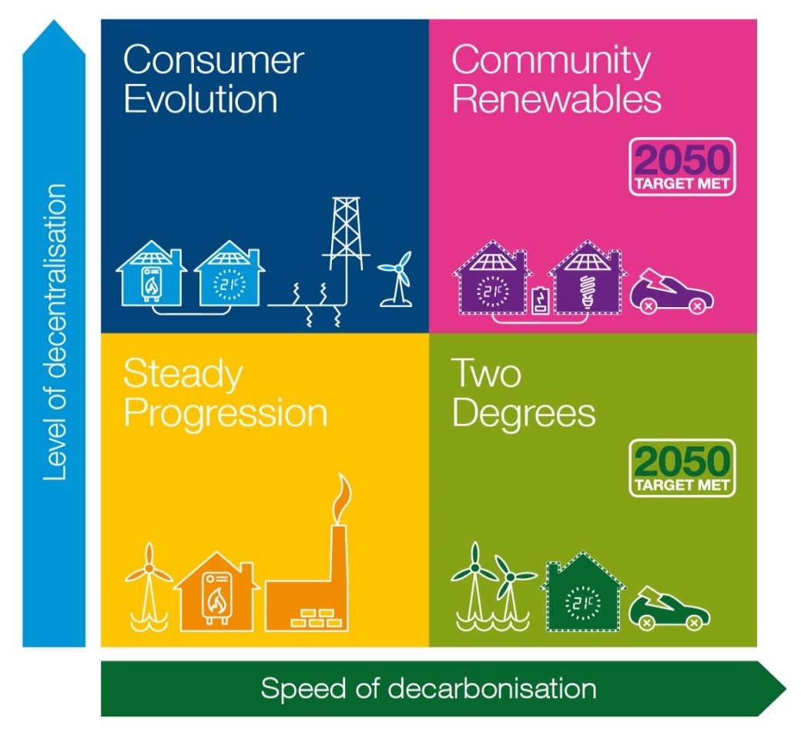

Chapter 2 of the main Future Energy Scenarios document contains a description of this 2x2 matrix and the two axes.

