Comparison
Cost Benefit Analysis of Single Transformer Offshore Modules vs Multiple Transformer Offshore Modules

Purpose

This spreadsheet compares four solutions for offshore windfarm connections to the grid.
1) A system using a traditional Offshore Substation Platform (OSP) with two cables to shore and two transformers on the platform.
2) A system using two Single Transformer Modules each with a dedicated cable to shore and a single transformer on each module plus a HV interlink between the modules.
3) A system using two Single Transformer Modules each with a dedicated cable to shore and a single transformer on each module plus a MV interlink between the modules.
4) A system using two Single Transformer Modules each with a dedicated cable to shore and a single transformer on each module but with no interlink between the offshore modules

Capital cost savings are achieved when using the single transformer modules through the simplification of the equipment onboard which leads to a significantly lower size & weight.
In addition the lifting vessel used to install the wind turbine foundations can be used to install the single transformer modules - leading to significant cost savings

However the fact that the two transformers are installed on separated platforms can lead to a reduction in the system redundancy.
In the event that an export cable or the transformer or HV switchgear on one single tranformer module fails, the power from half of the windfarm cannot be exported unless interlinks are provided between the faulty module and the remaining module.
This allows the affected turbines to export their power via the other module.

Assumptions |  |  |  | Analysis Inputs - vary to recalculate |  | Analysis Assumptions (don't change)

The following assumptions are made in this analysis:

System Capacity |  |  |  | 500 | MW

Probability of an offshore transformer fault |  |  |  | 0.002 | events/transformer/year
Mean Time To Repair Offshore Transformer |  |  |  | 4 | months
Probability of Failure of HV GIS Bay |  |  |  | 0.0011 | events/bay/year
Mean Time To Repair HV GIS Bay |  |  |  | 10 | days
Probability of Failure of MV GIS Bay |  |  |  | 0.0011 | events/bay/year
Mean Time To Repair MV GIS Bay |  |  |  | 10 | days
Failure Rate of MV Cable Interlink |  |  |  | 0.0008 | failures/km/year
Length of MV Interlink Cable |  |  |  | 3 | km |  | Total Cable Length - may be multiple circuits (used to calculate probability of failure) - initially set as 2 x HV link length i.e. 2 MV cables in parallel
Mean Time To Repair MV Cable Link |  |  |  | 2 | months
Failure Rate of HV Cable Interlink |  |  |  | 0.0008 | failures/km/year
Length of HV Interlink Cable |  |  |  | 1.5 | km |  | Total Cable Length - (used to calculate probability of failure)
Mean Time To Repair HV Cable Link |  |  |  | 2 | months
Failure Rate of HV Export Cables |  |  |  | 0.0008 | failures/km/year
Length of HV Export Cables |  |  |  | 200 | km |  | Total length of two circuits
Mean Time To Repair HV Export Cable |  |  |  | 2 | months
Capacity of HV Interlink |  |  |  | 25 | % |  | Expressed as a proportion of the windfarm output - set to 25% as this is max that alternative export path can support assuming even generation, less than this and additional losses are caused if one export cable fails.
Capacity of MV Interlink |  |  |  | 25 | % |  | Expressed as a proportion of the windfarm output - set to 25% as this is max that alternative export path can support assuming even generation, less than this and additional losses are caused if one export cable fails.

Average service duration for offshore transformer & HV GIS |  |  |  | 2.7 | hours/year |  | Based on 8 hour shift once every 3 years - visual inspection when in service in-between

Value of energy during contracted period |  |  |  | 115 | £/MWh |  | Assumes 15 year contracted period
Value of energy after contracted period |  |  |  | 75 | £/MWh |  | Assumes 10 year post contract period

Capital Cost Difference between single transformer module based system & multiple transformer based system (HV Interlink) |  |  |  | 23.5 | £M |  | Capex price includes cost of switchgear needed for HV interlink and HV interlink cable
Capital Cost Difference between single transformer module based system & multiple transformer based system (MV Interlink) |  |  |  | 23.5 | £M |  | Capex price includes cost of switchgear needed for MV interlink and MV interlink cable(s)
Capital Cost Difference between single transformer module based system & multiple transformer based system (No Interlink) |  |  |  | 25 | £M

Wind Farm Owner Cost of Finance |  |  |  | 6.25 | % |  | As per GSR 014 Review - If this is changed Loan Repayments need to be recalculated manually in OFTO Loan Repayment Calculator Sheet (cells AF20 and AG20 need to be changed)
OFTO Cost of Finance |  |  |  | 6.25 | % |  | As per GSR 014 Review - If this is changed Loan Repayments need to be recalculated manually in OFTO Loan Repayment Calculator Sheet (cells AF20 and AG20 need to be changed)
Social Time Preference Rate (STPR) |  |  |  | 3.5 | %

Typical SLD for a system using a two transformer module (platform) |  |  |  |  |  | Typical SLD for a system using two single transformer modules (platforms) - HV Interlink |  |  |  |  | Typical SLD for a system using two single transformer modules (platforms) - MV interlink |  | Typical SLD for a system using two single transformer modules (platforms) - No interlink

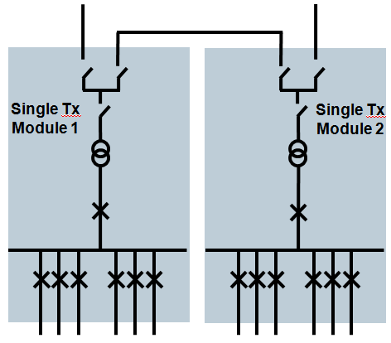
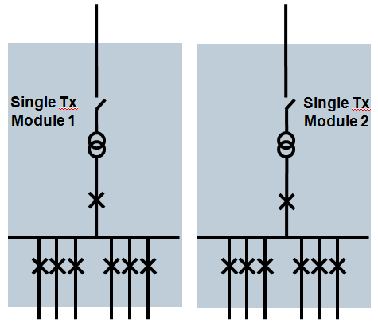
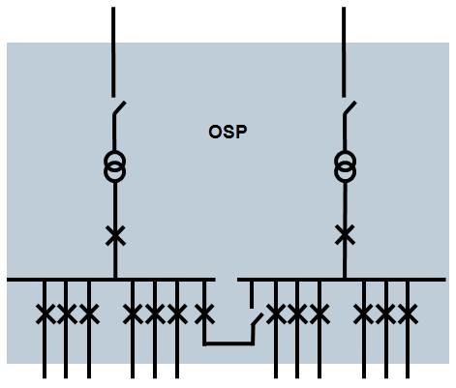
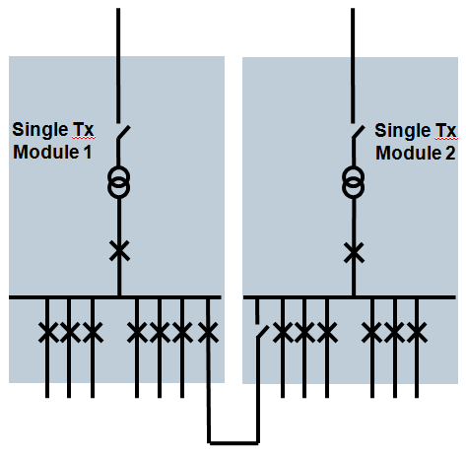

Calculation of the effect of limitations of system capacity on the energy exported from the power transmission systems.

Input Data |  |  | Graph1 Data |  |  |  | Graph 2 Data
 |  |  |  |  |  |  |  |  |  |  |  | Graph 1 - Windfarm Output vs Windspeed
Hub height wind speed (m/s) | No. of hours per year | Wind Turbine Power output (%) | Hub height wind speed (m/s) | Windfarm Power Output w/o Fault (MW) | Curtailed Power Output if system limited to a maximum of 50% of rating (MW) | Curtailed Power Output if half of system export capacity is lost (MW) | Hub height wind speed (m/s) | Uncurtailed Energy Generation (MWh/yr) | Curtailed Energy Output if system limited to a maximum of 50% of rating (MWh/yr) | Curtailed Energy Output if half of system export capacity is lost (MWh/yr)
0 | 1 | 0 | 0 | 0.0 | 0.0 | 0.0 | 0 | 0.0 | 0.0 | 0.0
1 | 112 | 0 | 1 | 0.0 | 0.0 | 0.0 | 1 | 0.0 | 0.0 | 0.0
2 | 221 | 0 | 2 | 0.0 | 0.0 | 0.0 | 2 | 3.9 | 3.9 | 1.9
3 | 350 | 1 | 3 | 3.6 | 3.6 | 1.8 | 3 | 1267.4 | 1267.4 | 633.7
4 | 463 | 2 | 4 | 12.2 | 12.2 | 6.1 | 4 | 5663.8 | 5663.8 | 2831.9
5 | 559 | 6 | 5 | 29.3 | 29.3 | 14.6 | 5 | 16370.7 | 16370.7 | 8185.3
6 | 620 | 11 | 6 | 56.0 | 56.0 | 28.0 | 6 | 34733.2 | 34733.2 | 17366.6
7 | 706 | 19 | 7 | 92.8 | 92.8 | 46.4 | 7 | 65518.9 | 65518.9 | 32759.4
8 | 757 | 28 | 8 | 141.9 | 141.9 | 70.9 | 8 | 107388.6 | 107388.6 | 53694.3
9 | 740 | 41 | 9 | 203.1 | 203.1 | 101.6 | 9 | 150303.0 | 150303.0 | 75151.5
10 | 727 | 55 | 10 | 275.5 | 250.0 | 137.8 | 10 | 200289.4 | 181750.0 | 100144.7
11 | 691 | 71 | 11 | 353.5 | 250.0 | 176.7 | 11 | 244261.6 | 172750.0 | 122130.8
12 | 629 | 84 | 12 | 420.7 | 250.0 | 210.3 | 12 | 264613.1 | 157250.0 | 132306.6
13 | 530 | 93 | 13 | 466.0 | 250.0 | 233.0 | 13 | 246973.4 | 132500.0 | 123486.7 |  | Graph 2 -Annual MWh Generated at each windspeed vs windspeed
14 | 427 | 98 | 14 | 489.2 | 250.0 | 244.6 | 14 | 208901.9 | 106750.0 | 104451.0
15 | 346 | 99 | 15 | 497.2 | 250.0 | 248.6 | 15 | 172033.5 | 86500.0 | 86016.8
16 | 269 | 100 | 16 | 499.4 | 250.0 | 249.7 | 16 | 134328.4 | 67250.0 | 67164.2
17 | 209 | 100 | 17 | 499.9 | 250.0 | 249.9 | 17 | 104472.3 | 52250.0 | 52236.2
18 | 162 | 100 | 18 | 500.0 | 250.0 | 250.0 | 18 | 80996.2 | 40500.0 | 40498.1
19 | 102 | 100 | 19 | 500.0 | 250.0 | 250.0 | 19 | 51000.0 | 25500.0 | 25500.0
20 | 62 | 100 | 20 | 500.0 | 250.0 | 250.0 | 20 | 31000.2 | 15500.0 | 15500.1
21 | 36 | 100 | 21 | 500.0 | 250.0 | 250.0 | 21 | 18000.1 | 9000.0 | 9000.1
22 | 21 | 100 | 22 | 500.0 | 250.0 | 250.0 | 22 | 10500.1 | 5250.0 | 5250.0
23 | 11 | 100 | 23 | 500.0 | 250.0 | 250.0 | 23 | 5500.0 | 2750.0 | 2750.0
24 | 8 | 100 | 24 | 500.0 | 250.0 | 250.0 | 24 | 4000.0 | 2000.0 | 2000.0
25 | 4 | 97 | 25 | 486.6 | 250.0 | 243.3 | 25 | 1946.3 | 1000.0 | 973.1
26 | 1 | 41 | 26 | 203.3 | 203.3 | 101.7 | 26 | 203.3 | 203.3 | 101.7
27 | 1 | 33 | 27 | 164.5 | 164.5 | 82.3 | 27 | 164.5 | 164.5 | 82.3
28 | 1 | 28 | 28 | 138.4 | 138.4 | 69.2 | 28 | 138.4 | 138.4 | 69.2
29 | 1 | 0 | 29 | 0.0 | 0.0 | 0.0 | 29 | 0.0 | 0.0 | 0.0
30 | 0 | 0 | 30 | 0.0 | 0.0 | 0.0 | 30 | 0.0 | 0.0 | 0.0

 |  |  |  |  |  |  | Totals (MWh/yr) | 2160572 | 1440256 | 1080286
 |  |  |  |  |  |  | Capacity Factor | 0.493 | 0.329 | 0.246
 |  |  |  |  |  |  | Difference (MWh/yr) |  | 720317 | 1080286

 |  |  |  |  |  |  | Equivalent Power Lost (MW) |  | 82.2 | 123.2

Calculation of Outage durations and energy lost due to Transformer, Switchgear or Cable Failure

 |  |  |  | Two Transformer OSP |  | Single Transformer Module inc HV Interlink |  | Single Transformer Module inc MV Interlink |  | Single Transformer Module no Interlink | Units
Probability of a transformer fault |  |  |  | 0.002 |  | 0.002 |  | 0.002 |  | 0.002
Mean Outage Time Due to Transformer Fault |  |  |  | 5.84 |  | 5.84 |  | 5.84 |  | 5.84 | hrs/year
Probability of a fault in a bay of HV GIS |  |  |  | 0.0011 |  | 0.0011 |  | 0.0011 |  | 0.0011
Mean Outage Time Due to HV GIS Bay Fault |  |  |  | 0.264 |  | 0.264 |  | 0.264 |  | 0.264 | hrs/year
Probability of HV Cable Cross Link fault |  |  |  | n/a |  | 0.0012 |  | n/a |  | n/a
Mean Outage Time Due to HV Cross Link Cable Fault |  |  |  | n/a |  | 1.752 |  | n/a |  | n/a | hrs/year
Probability of a fault in a bay of MV GIS |  |  |  | 0.0011 |  | 0.0011 |  | 0.0011 |  | 0.0011
Mean Outage Time Due to MV GIS Bay Fault |  |  |  | 0.264 |  | 0.264 |  | 0.264 |  | 0.264 | hrs/year
Probability of MV Cable Cross Link fault |  |  |  | n/a |  | n/a |  | 0.0024 |  | n/a
Mean Outage Time Due to MV Cross Link Cable Fault |  |  |  | n/a |  | n/a |  | 3.504 |  | n/a | hrs/year
Probability of a HV Export Cable Failure |  |  |  | 0.08 |  | 0.08 |  | 0.08 |  | 0.08
Mean Outage Time Due to HV Export Cable Failure |  |  |  | 116.8 |  | 116.8 |  | 116.8 |  | 116.8 | hrs/year

Mean Time when MV Cable Cross Link and Tx or HV GIS out of service |  |  |  | n/a |  | n/a |  | 0.0293 |  | n/a

Outage Time for OSP based system where either an export cable or a transformer or HV GIS is out of service and MV cross link between switchboards is in service(output of system limited to maximum of 50% of rating) - Case 1 |  |  |  | 245.27 |  |  |  | n/a |  |  | Hours/year
Outage Time for OSP based system where either an export cable or a transformer or HV GIS is out of service AND MV cross link between switchboards is Out of Service (loss of production from one half of windfarm) - Case 2 |  |  |  | 0.54 |  |  |  |  |  |  | Hours/year
Outage Time on single transformer module based system with HV interlink where transformer or HV disconnector adjacent to transformer is out of service (loss of production from one half of windfarm) - Case 3 |  |  |  |  |  | 12.21 |  |  |  |  | Hours/year
Outage Time on single transformer module based system with HV interlink where HV export cable or disconnector in series with HV export cable is out of service - HV cross link in service (output of system limited to 50% of rating) - Case 4 |  |  |  |  |  | 233.33 |  |  |  |  | Hours/year
...

