Additional Information
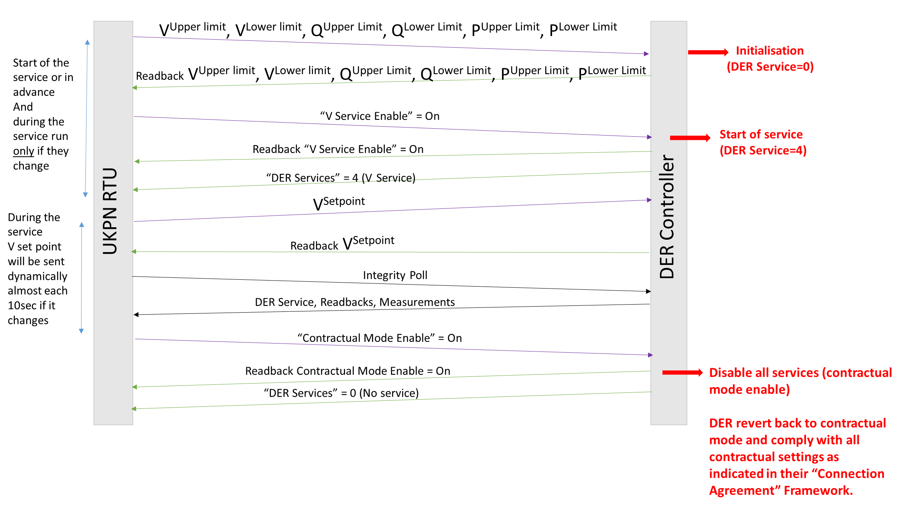
DER mode of operation Command
Definition | Function | Description
P Service Enable * = 0 and V Service Enable = 1 | DER Providing only Q service | Arm DER and request reactive power service with 4% droop, dedicated VUpper limit, VLower limit, QUpper Limit, QLower Limit, PUpper Limit, PLower Limit and a VSetpoint. *The DER should be armed (in V mode) and active power mode should be disable (only provide reactive power).
P Service Enable = 1 and V service Enable = 0 | DER Providing only P service | Request active power service with a PSetpoint under their default contractual agreement. *DER should be in their default mode and only provide P service.
P Service Enable = 1 and V service Enable = 1 | DER Providing both P and Q services | V mode: Arm DER and request reactive power service with 4% droop, dedicated VUpper limit, VLower limit, QUpper Limit, QLower Limit, PUpper Limit, PLower Limit and a VSetpoint. P mode: Request active power service with a P Setpoint under V mode defined on line above.
Contractual mode Enable = 1 | DER should behave as in the "DER Connection Agreement" but still monitored and controlled by UKPN RTU . | Disarm DER to revert back to its default mode and operate within P/Q characteristic as in "DER connection agreement" setting.
Disable (disarm) DER mode Enable = 1 | DER should behave as in the "DER Connection Agreement" and will be disable/disconnected from power potential trials. | Disarm DER to revert back to its default mode and operate within P/Q characteristic as in "DER connection agreement" setting and disable the active power mode.

* For DER operating in Voltage mode (V mode) as default (as in the "DER contractual agreement"), DER does not need to change its mode while receiving "V service enable" instruction but this signal arms the DER to start participating in Power Potential and provides reactive power service.

Failsafe Actions
Failsafe 1: This is the first failsafe action carried out by UK Power Networks, should the DER fail to provide an output which respects the limit as per Signal 1-8 (as appropriate). This failsafe action will also be triggered due to any non-compliancy status or any risk for the network. When this signal is HIGH(1) DER is instructed to operate within its P/Q characteristics as stated in "Power Potential DER Framework Agreement" and "Variation Agreement relating to a Connection Agreement.
Failsafe 2: The second failsafe action carried out by UK Power Networks, as the DER has failed to provide an output which respects the limit as per failsafe1 (signal expired). This failsafe action will also be triggered due to non-compliancy status or any risk for the network. When this signal is HIGH(1) DER is instructed to revert back to its default mode when not delivering the Power Potential service (PF or V mode) as in the customer's original "Connection Agreement" prior to the "Variation Agreement relating to a Connection Agreement".
Failsafe 3:The third failsafe action carried out by UK Power Networks, as the DER has failed to provide an output which respects the limit as per Failsafe3 (signal expired). This failsafe action will also be triggered due to non-compliancy status or any risk for the network. When this signal is HIGH(1) DER is instructed to go to 0 MW. It should be noted that the Failsafe 3 (0MW Request) is not being implemented as part of the Power Potential trial, but is included here should it be required in future.
Failsafe 4: This is a notification signal that the forth failsafe action has been carried out by UK Power Networks, informing the DER that it has been disconnected from the network and UKPN has opened the circuit breaker. This is due to failure to respect failsafe within the configured deadline. This failsafe action will also be triggered due to non-compliancy with the "Power Potential DER Framework Agreement" or "Variation Agreement relating to a Connection Agreement" or any risk for the network. It should be noted that the Failsafe 4 (opening the circuit breaker) is not being implemented as part of the Power Potential trial, but is included here should it be required in future.

Example of Signal exchange for Enabling V Service to Provide Reactive Power
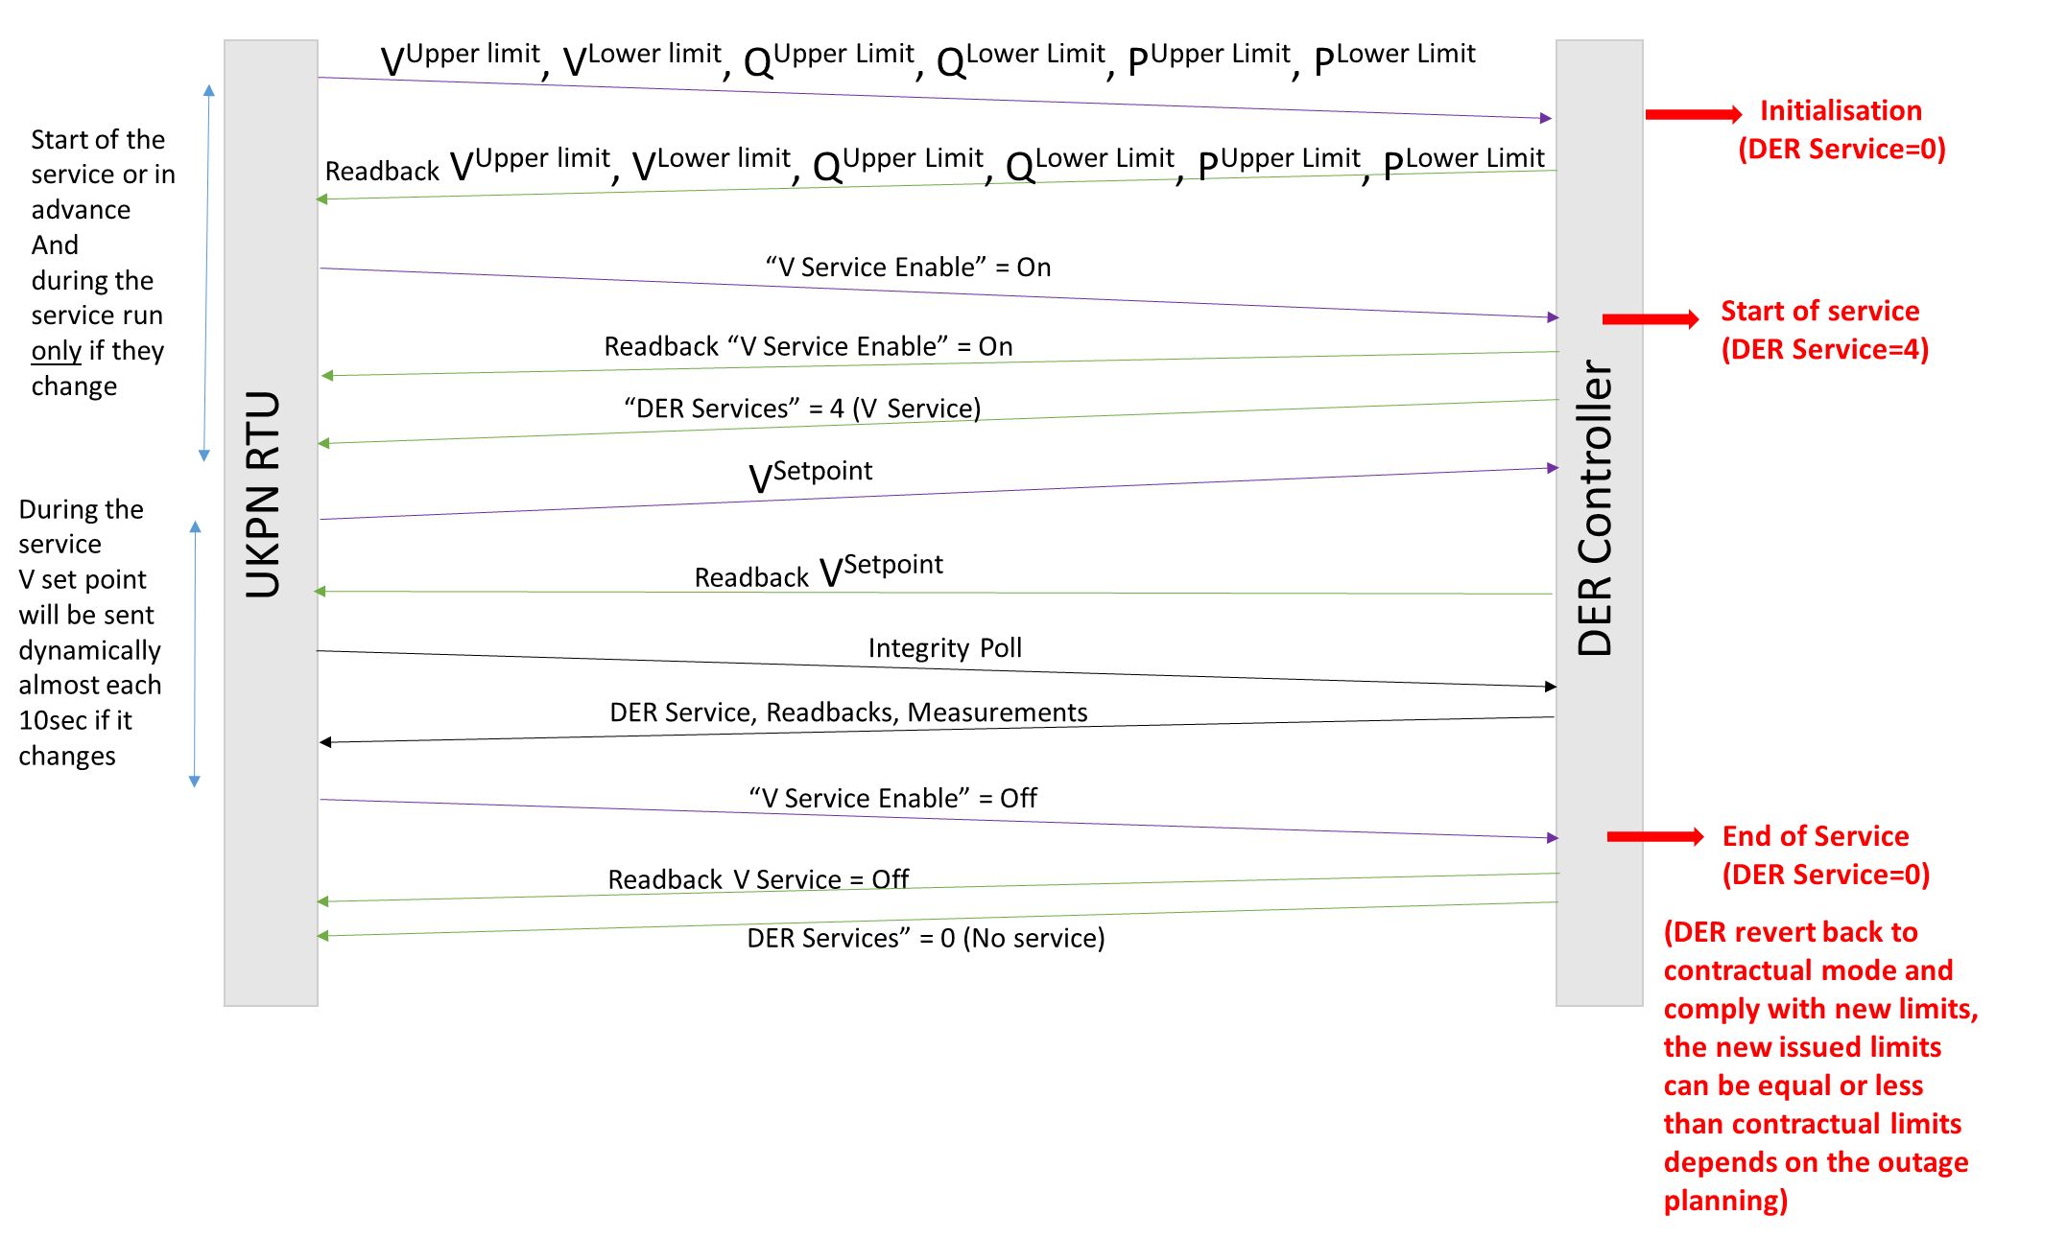

Example of Signal exchange for Contractual mode Enable

DNP TCP-IP Configuration
TCP/IP configuration
Physical Medium | TBC* | Ethernet Interfaces: | DER control system
Chosen Protocol | DNP3 over TCP/IP | IP Address: | 192.168.35.9
DNP3 Client (Master) | UKPN RTU | Mask: | 255.255.255.0
DNP3 Server (Slave) | DER control system | Def.GW.: | 192.168.35.1
DER DNP type | Listening to the end point | Target IP: | 192.168.35.127
DNP3 port | 20000 | DNP Address: | 2

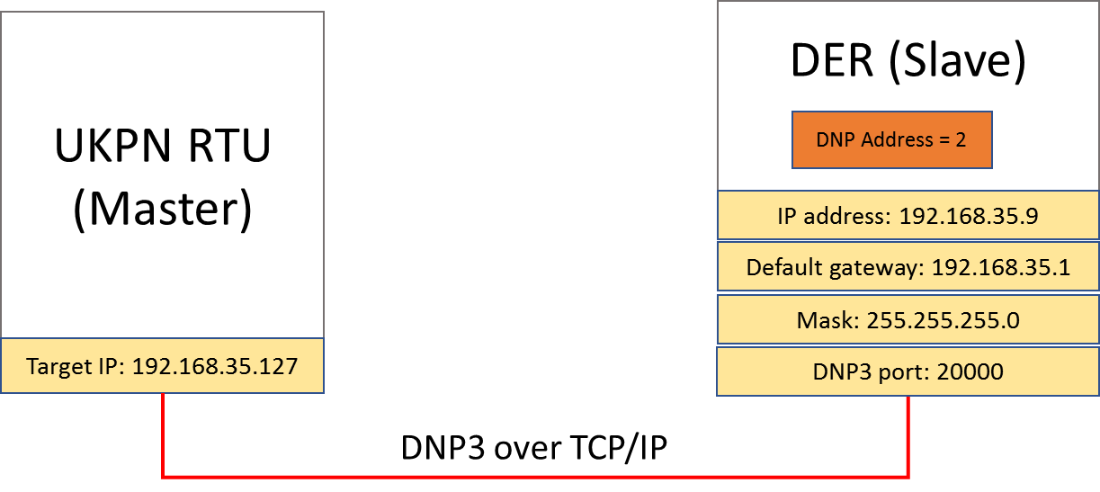

*TBC: To be Confirmed with DER

